Graph1
Monthly Survey On Expectations January 2021
Inflation current month (monthly change)
Answers: 54 Median: 0,3%

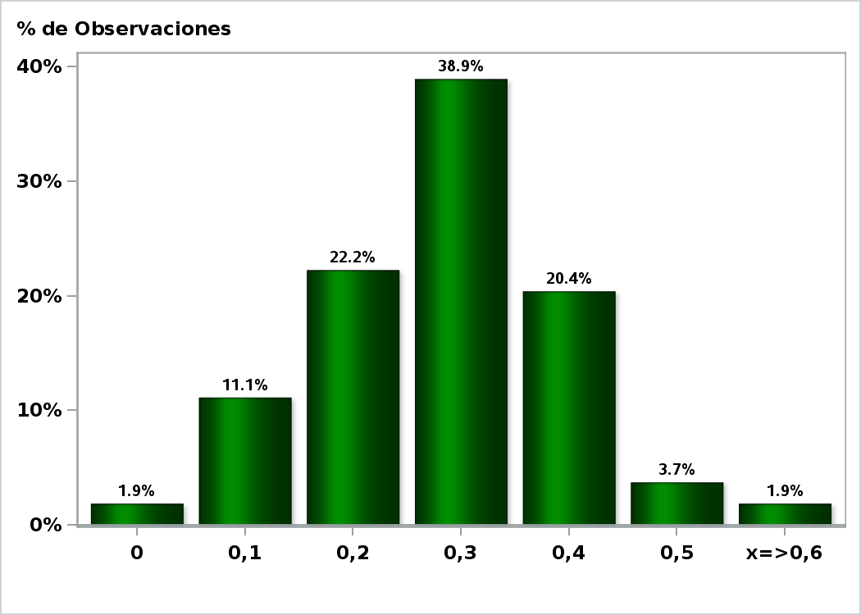

Click to view summary table

Graph2
Monthly Survey On Expectations January 2021
Inflation next month (monthly change)
Answers: 54 Median: 0,2%

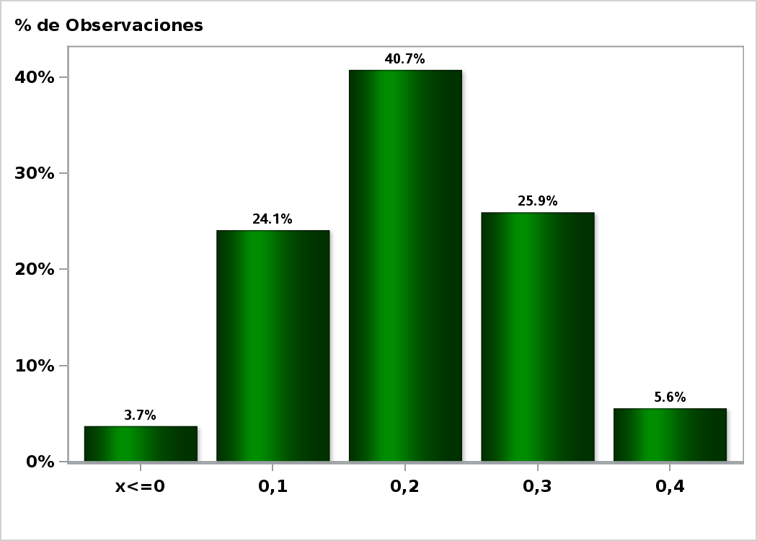

Click to view summary table

Graph3
Monthly Survey On Expectations January 2021
Inflation in eleven months (12-month change)
Answers: 54 Median: 3%

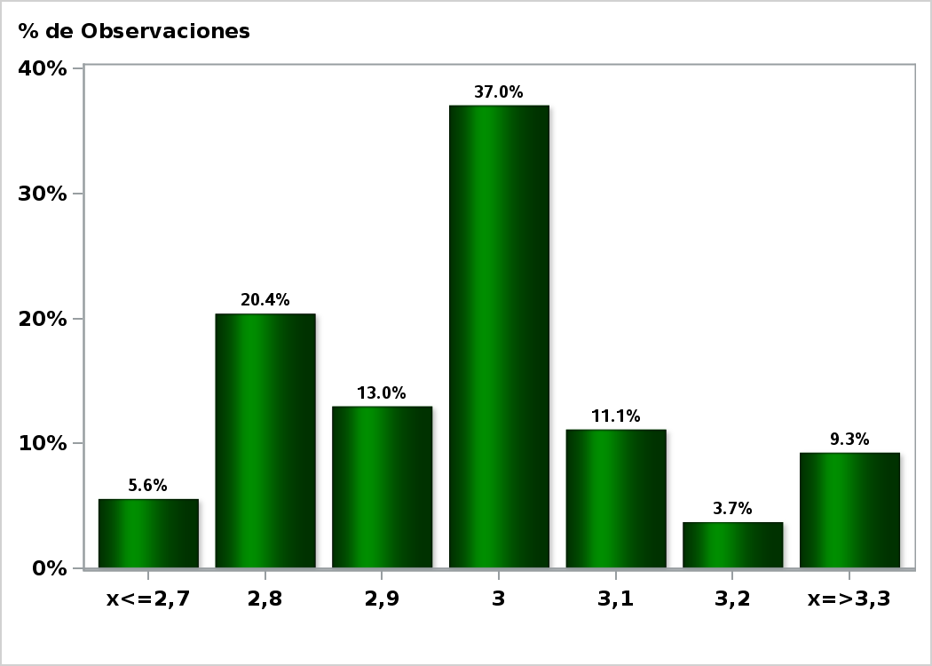

Click to view summary table

Graph4
Monthly Survey On Expectations January 2021
Inflation in twenty three months (12-month change)
Answers: 54 Median: 3%

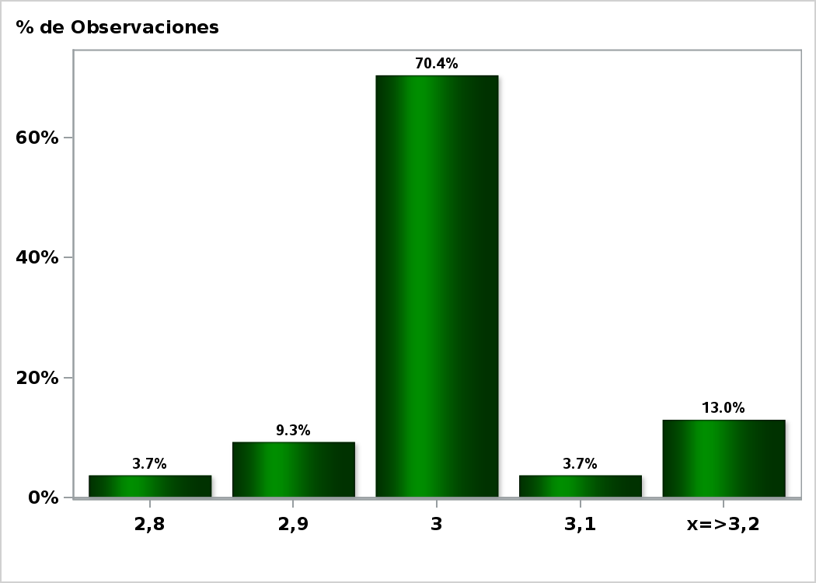

Click to view summary table

Graph5
Monthly Survey On Expectations January 2021
Inflation in thirty five months (12-month change)
Answers: 54 Median: 3%

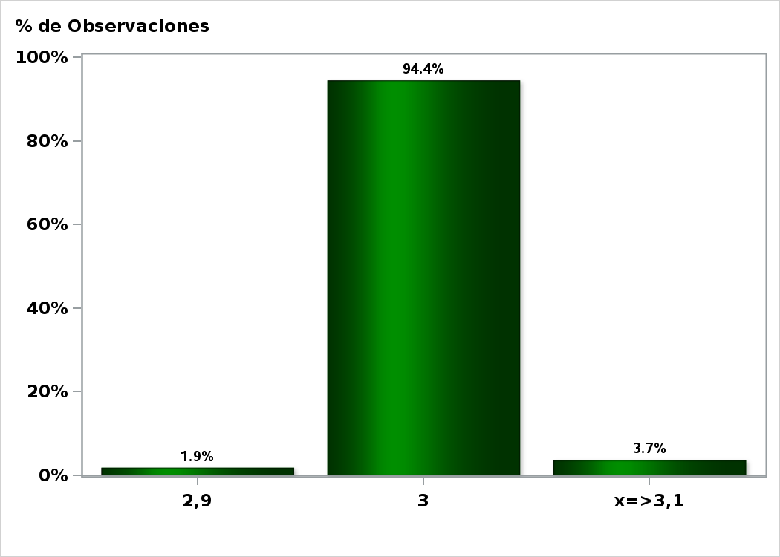

Click to view summary table

Graph8
Monthly Survey On Expectations January 2021
Monetary Policy rate target following meeting
Answers: 54 Median: 0,5%

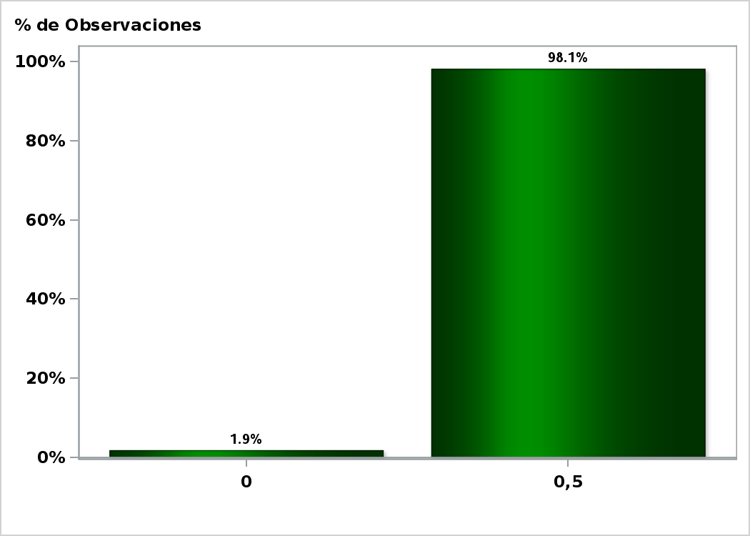

Click to view summary table

Graph11
Monthly Survey On Expectations January 2021
Monetary Policy rate target december 2021
Answers: 54 Median: 0,5%

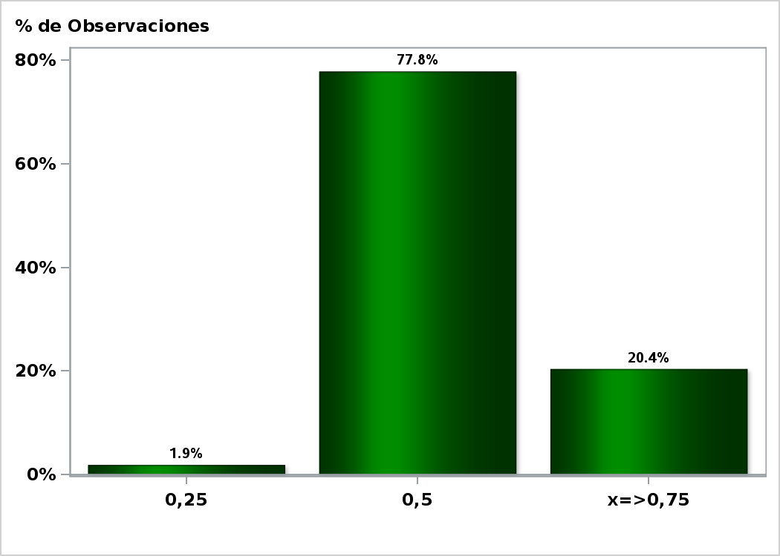

Click to view summary table

Graph12
Monthly Survey On Expectations January 2021
Monetary Policy rate target in eleven months
Answers: 54 Median: 0,5%

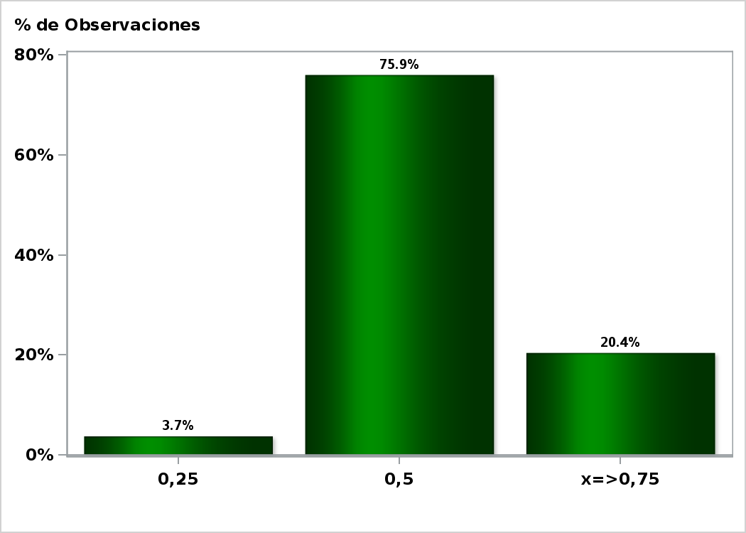

Click to view summary table

Graph13
Monthly Survey On Expectations January 2021
Monetary Policy rate target in seventeen months
Answers: 54 Median: 0,75%

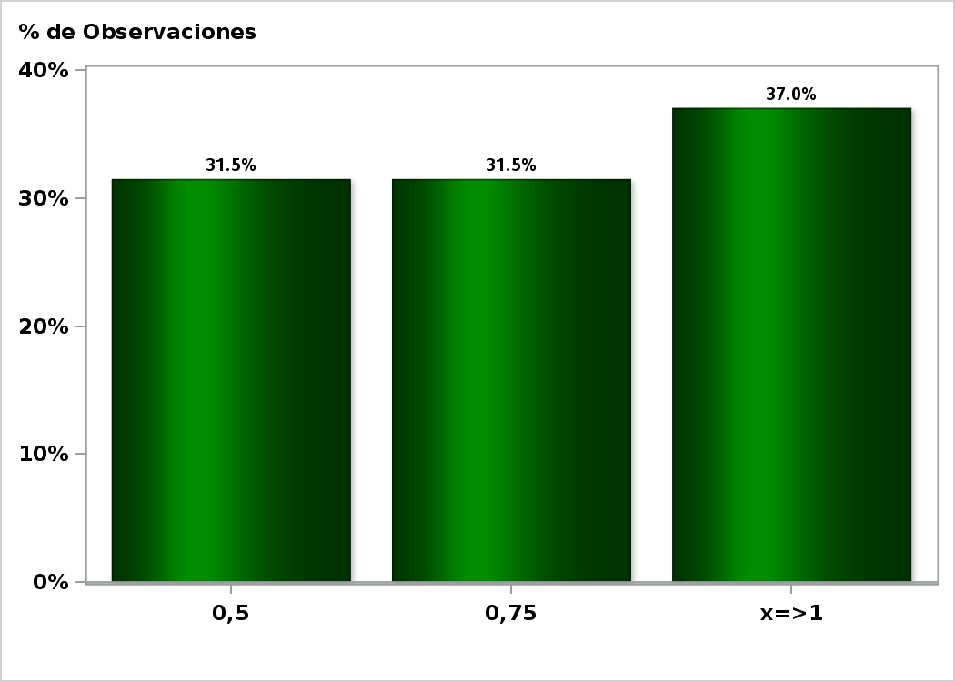

Click to view summary table

Graph14
Monthly Survey On Expectations January 2021
Monetary Policy rate target in twenty three months
Answers: 54 Median: 1,25%

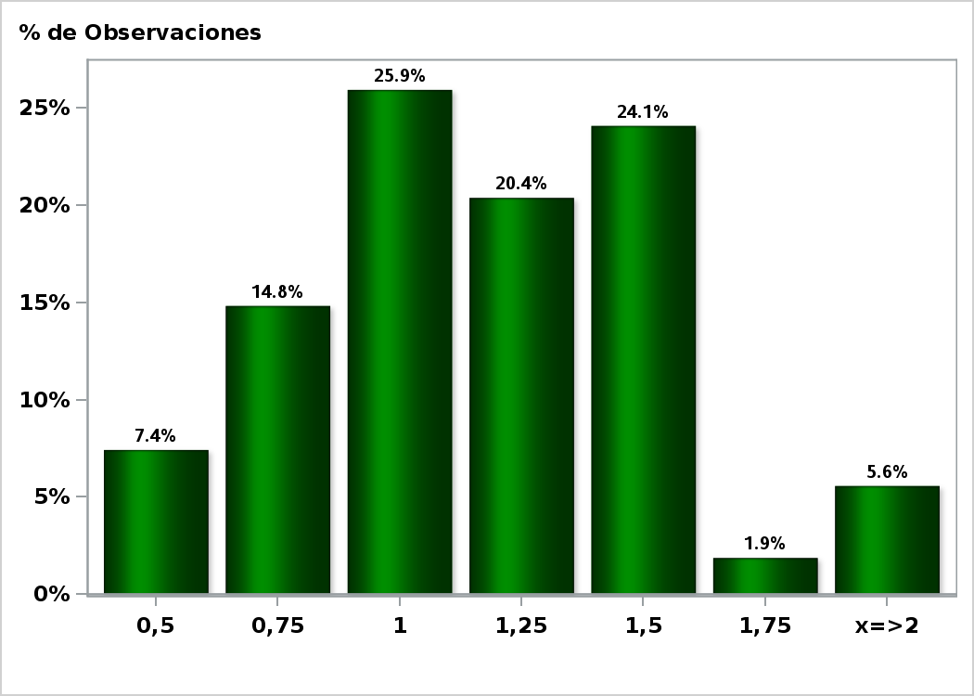

Click to view summary table

Graph15
Monthly Survey On Expectations January 2021
Monetary Policy rate target in thirty five months
Answers: 53 Median: 2%

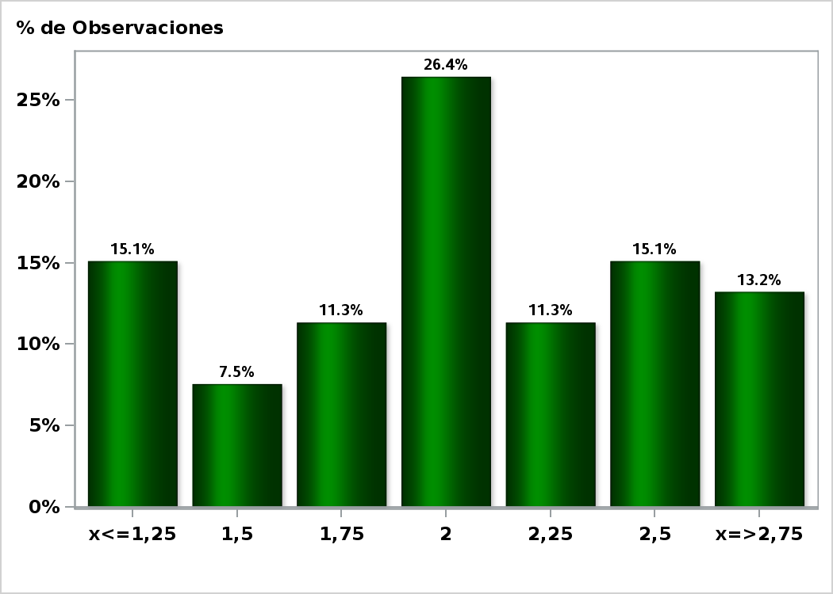

Click to view summary table

Graph16
Monthly Survey On Expectations January 2021
5-Year BCU In two months
Answers: 43 Median: -1,1%

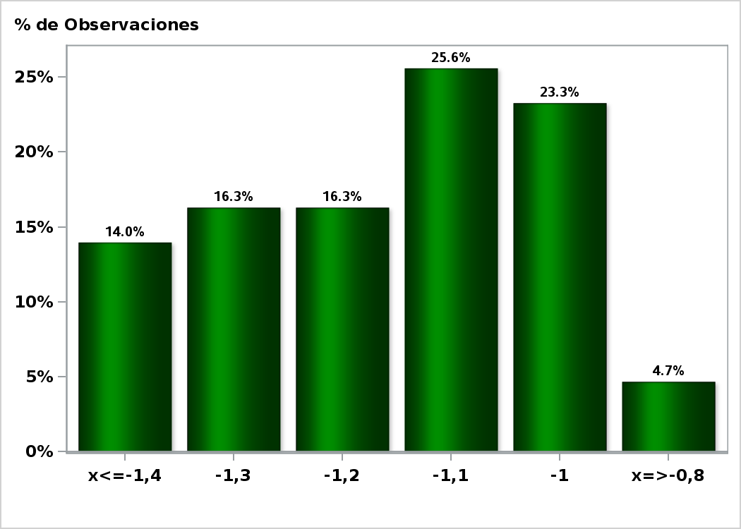

Click to view summary table

Graph17
Monthly Survey On Expectations January 2021
5-Year BCU in eleven months
Answers: 42 Median: -0,7%

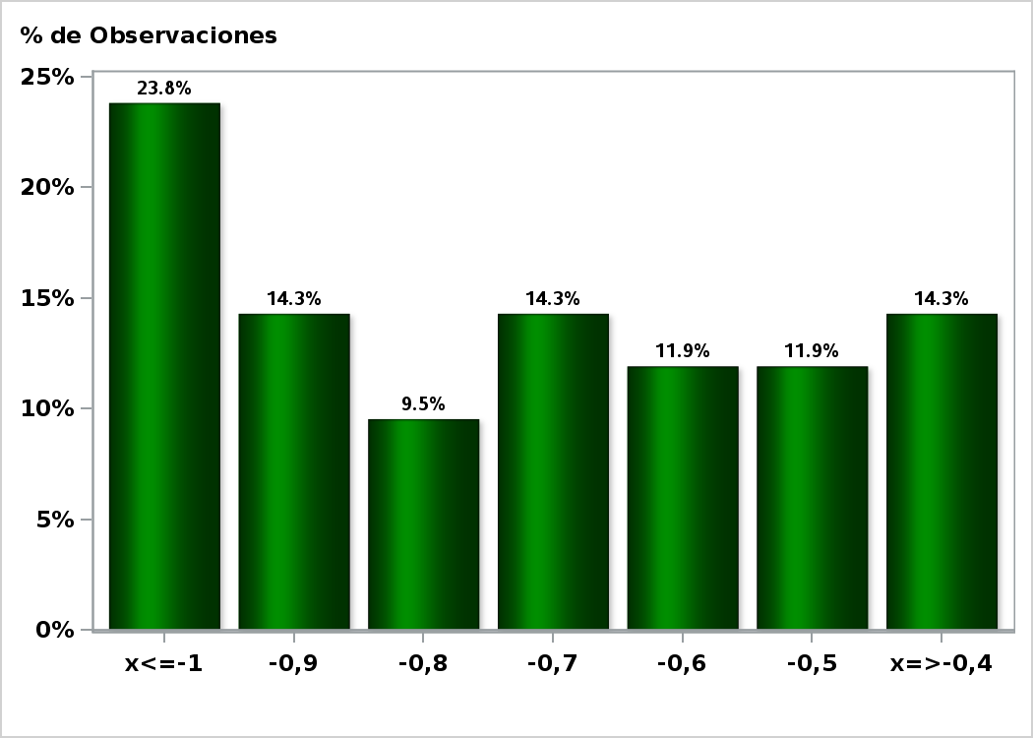

Click to view summary table

Graph18
Monthly Survey On Expectations January 2021
5-Year BCU in twenty three months forward
Answers: 42 Median: -0,2%

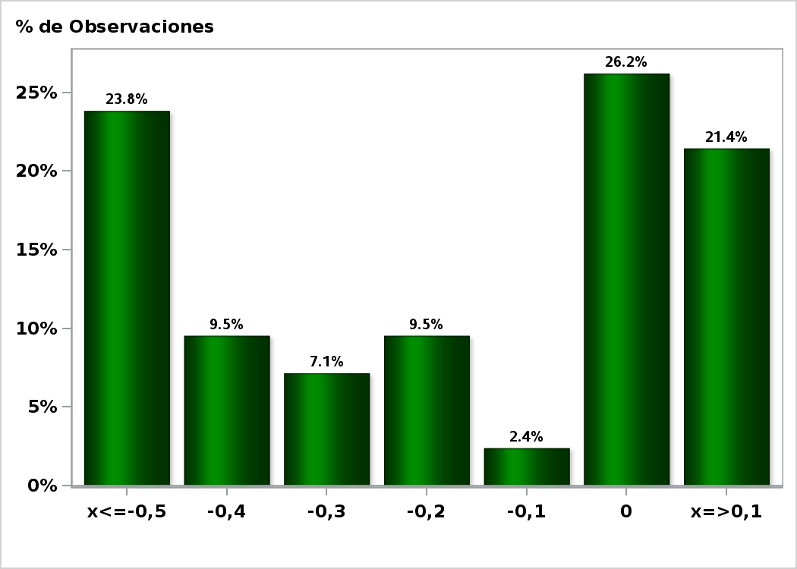

Click to view summary table

Graph19
Monthly Survey On Expectations January 2021
5-Year BCP in two months
Answers: 43 Median: 1,6%

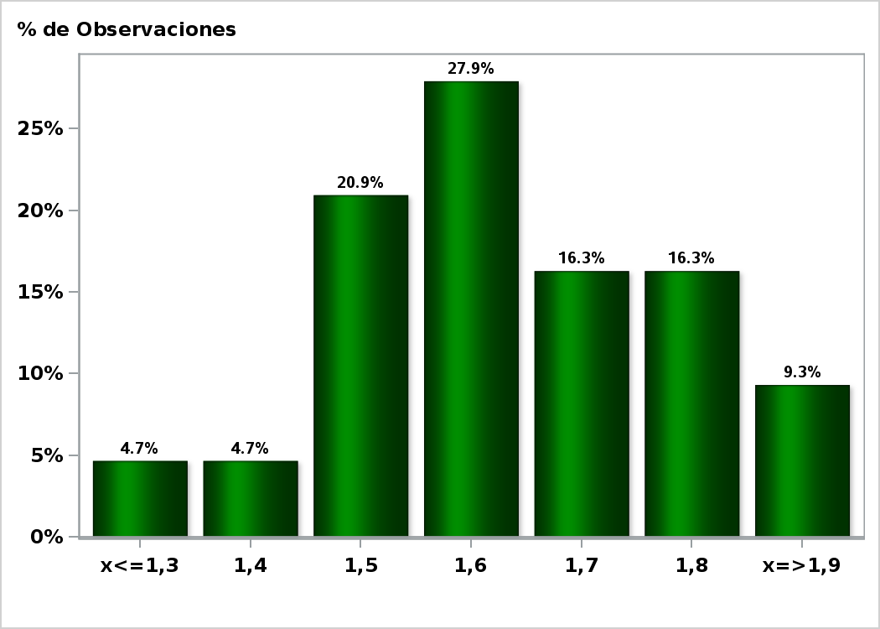

Click to view summary table

Graph20
Monthly Survey On Expectations January 2021
5-Year BCP in eleven months
Answers: 42 Median: 2,1%

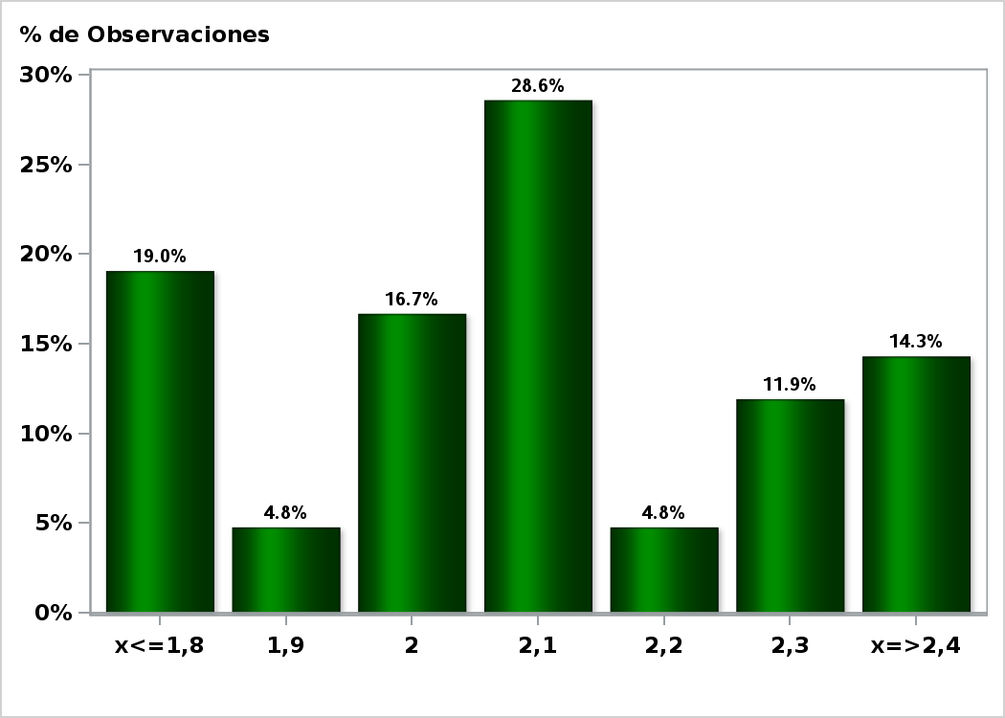

Click to view summary table

Graph21
Monthly Survey On Expectations January 2021
5-Year BCP in twenty three months forward
Answers: 42 Median: 2,7%

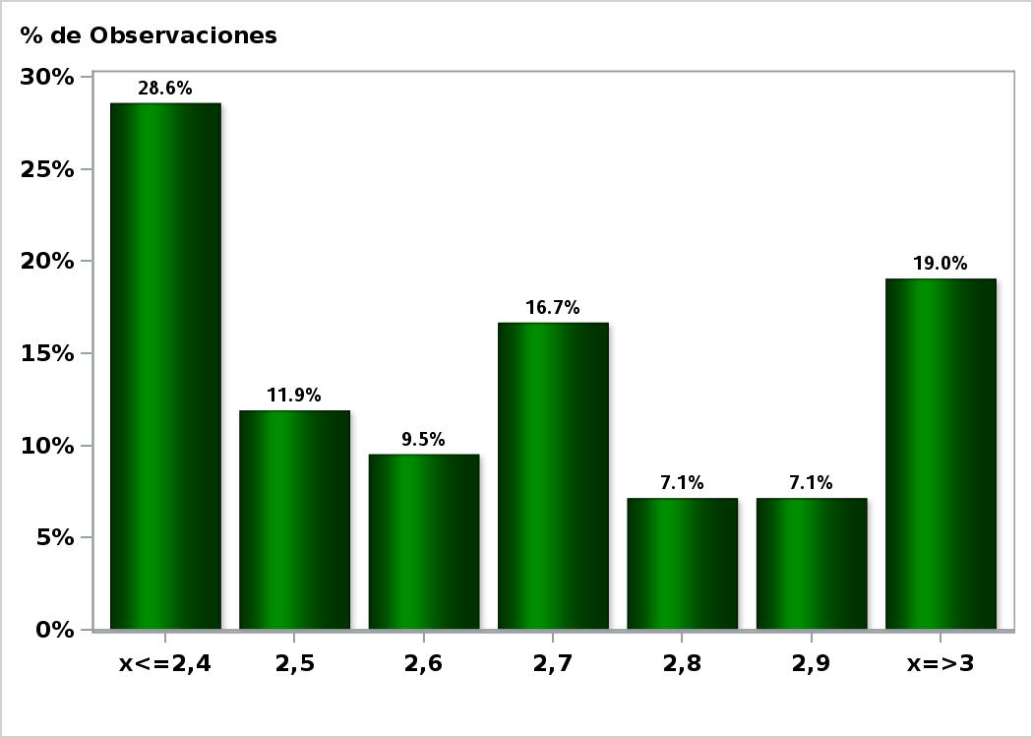

Click to view summary table

Graph22
Monthly Survey On Expectations January 2021
Exchange Rate in two months (CH $ per US$)
Answers: 53 Median: $720

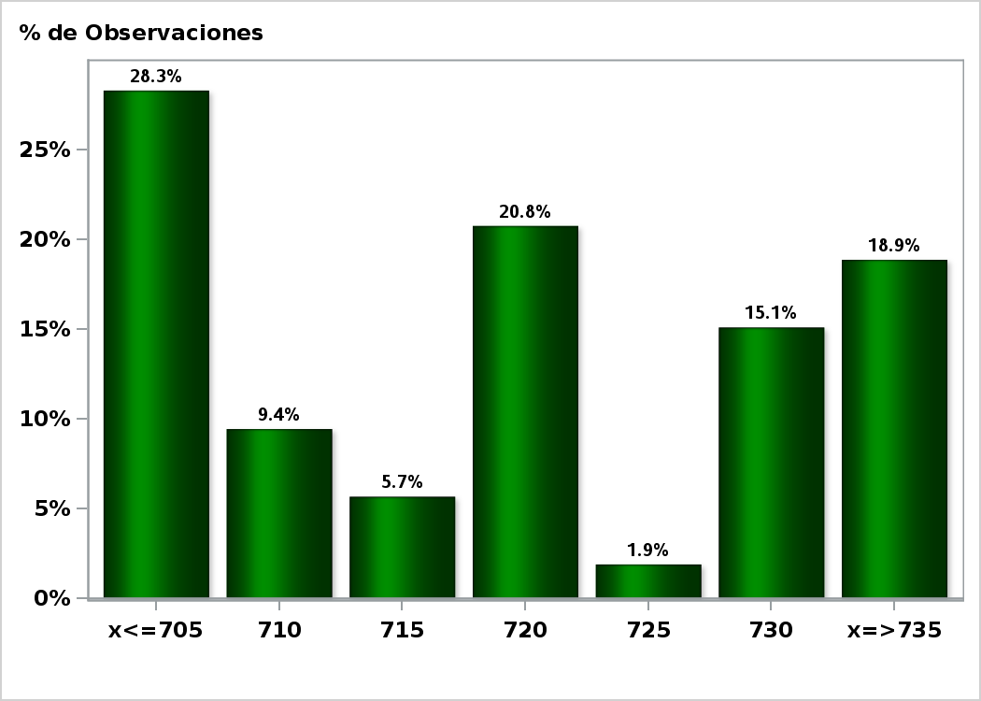

Click to view summary table

Graph23
Monthly Survey On Expectations January 2021
Exchange Rate in eleven months (CH $ per US$)
Answers: 54 Median: $720

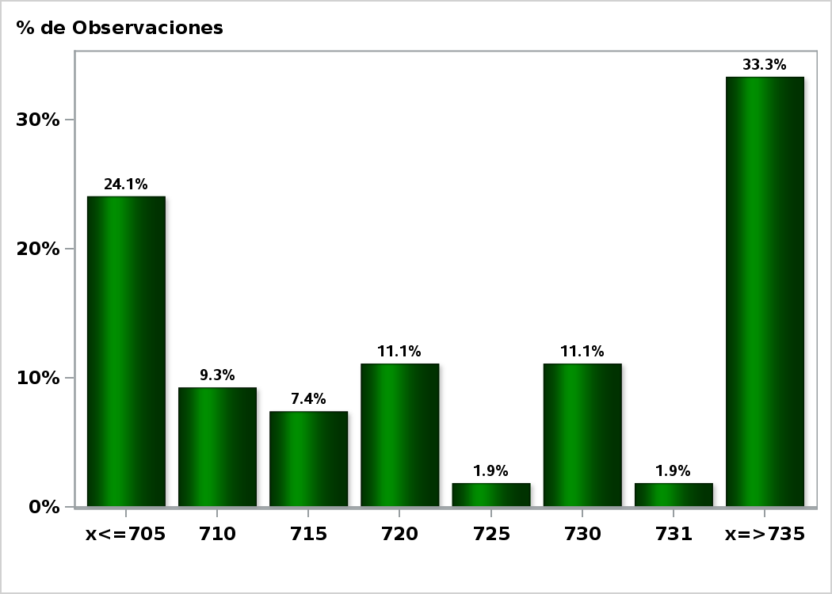

Click to view summary table

Graph24
Monthly Survey On Expectations January 2021
Exchange Rate in twenty three months forward (CH $ per US$)
Answers: 54 Median: $720

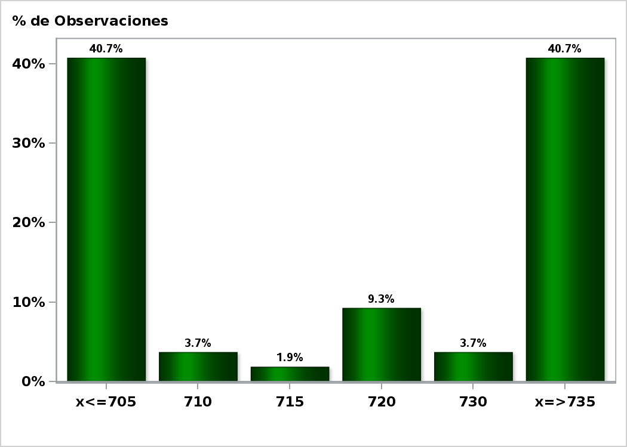

Click to view summary table

Graph25
Monthly Survey On Expectations January 2021
IMACEC (Monthly Activity Index) one month ago
Answers: 53 Median: -1%

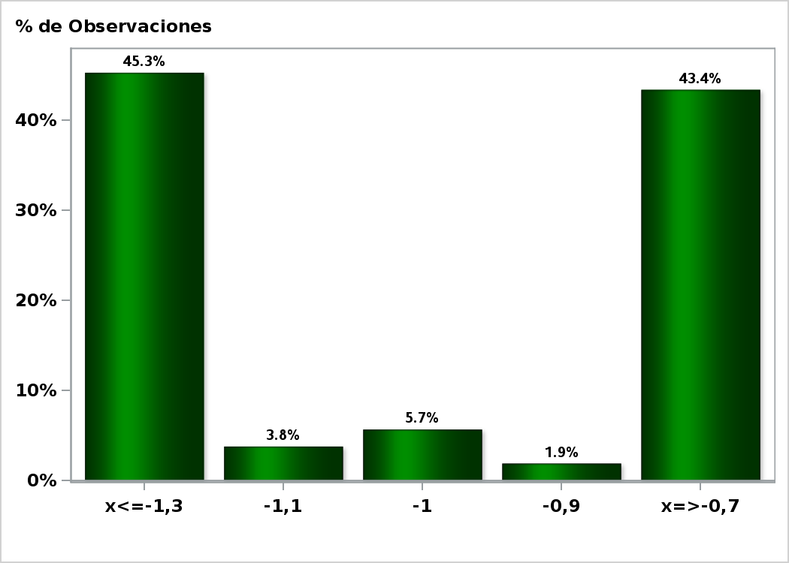

Click to view summary table

Graph26
Monthly Survey On Expectations January 2021
IMACEC No Mining (Monthly Activity Index) one month ago
Answers: 44 Median: -0,8%

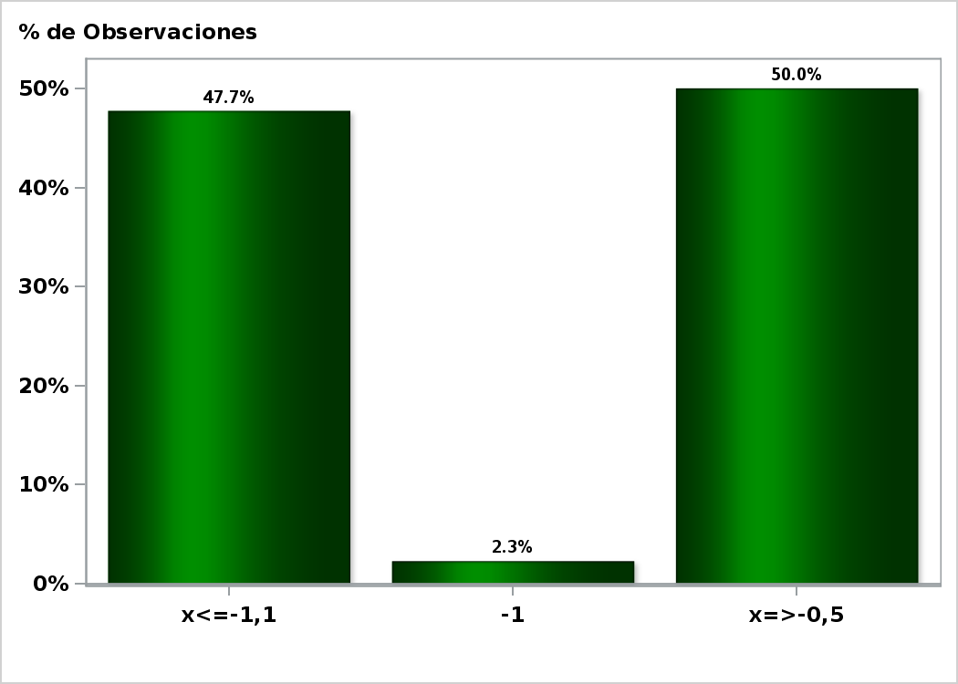

Click to view summary table

Graph27
Monthly Survey On Expectations January 2021
GDP within calendar quarter of the survey
Answers: 53 Median: -0,4%

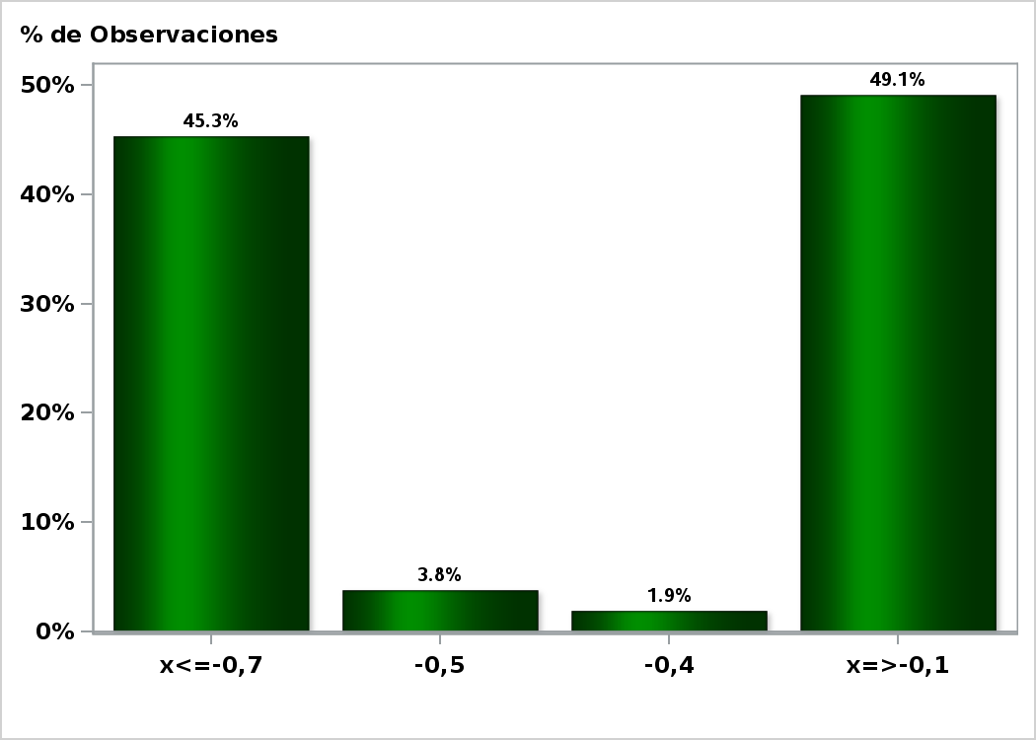

Click to view summary table

Graph29
Monthly Survey On Expectations January 2021
GDP year 2021 (12-month change)
Answers: 54 Median: 5%

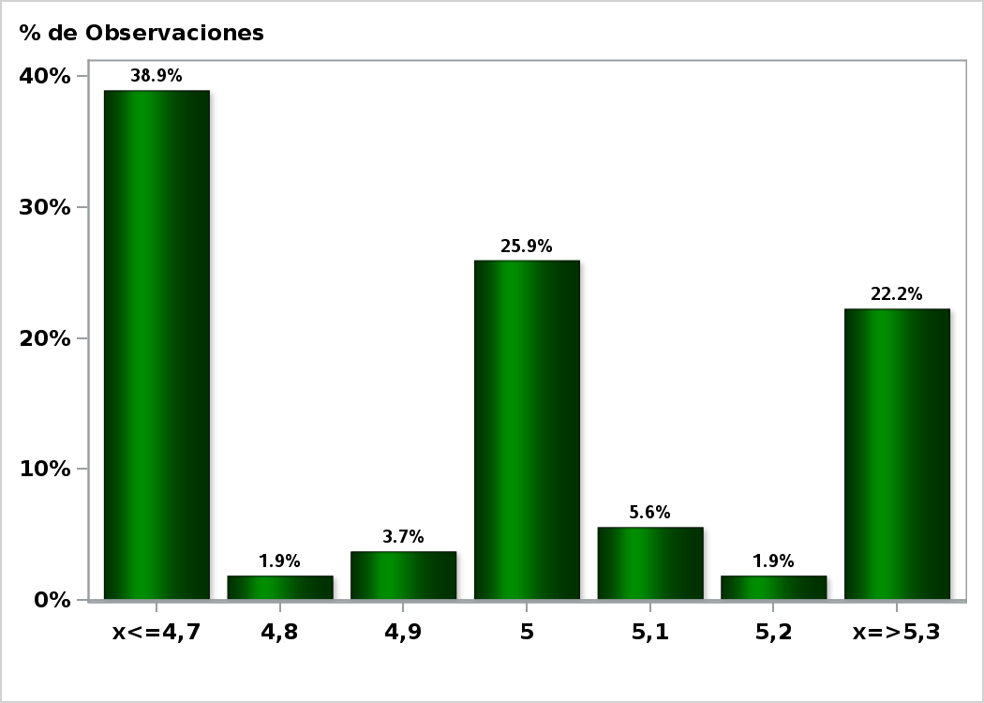

Click to view summary table

Graph30
Monthly Survey On Expectations January 2021
GDP year 2022 (12-month change)
Answers: 53 Median: 3,2%

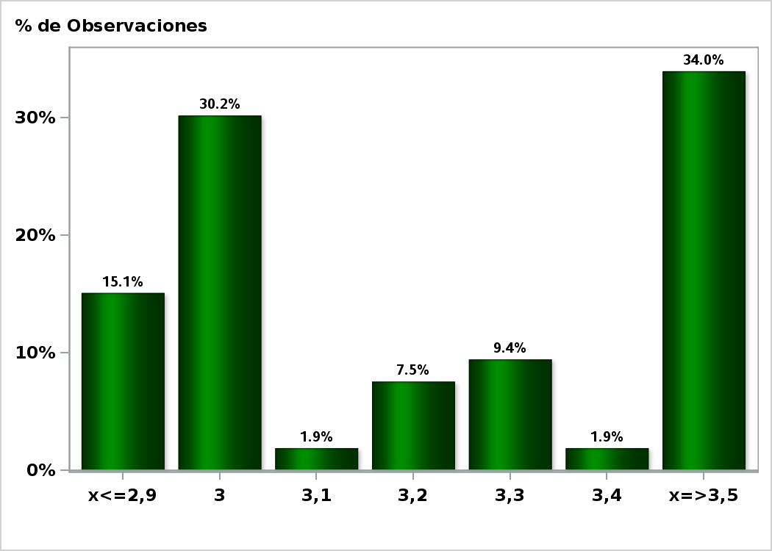

Click to view summary table

Graph31
Monthly Survey On Expectations January 2021
GDP No Mining within calendar quarter of the survey
Answers: 43 Median: 0,1%



Click to view summary table

Graph33
Monthly Survey On Expectations January 2021
GDP No Mining year 2021 (12-month change)
Answers: 43 Median: 5,2%

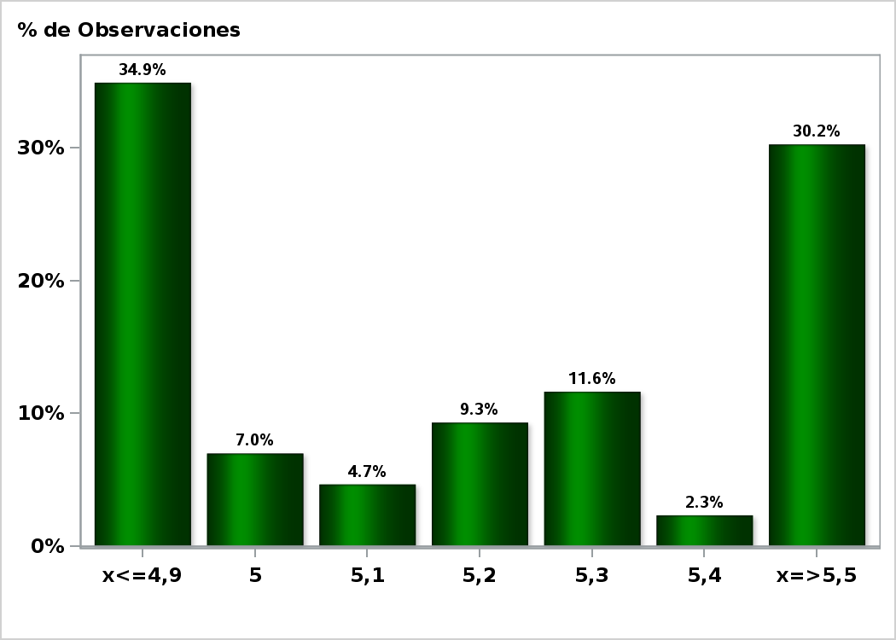

Click to view summary table

Graph34
Monthly Survey On Expectations January 2021
GDP No Mining year 2022 (12-month change)
Answers: 43 Median: 3,3%

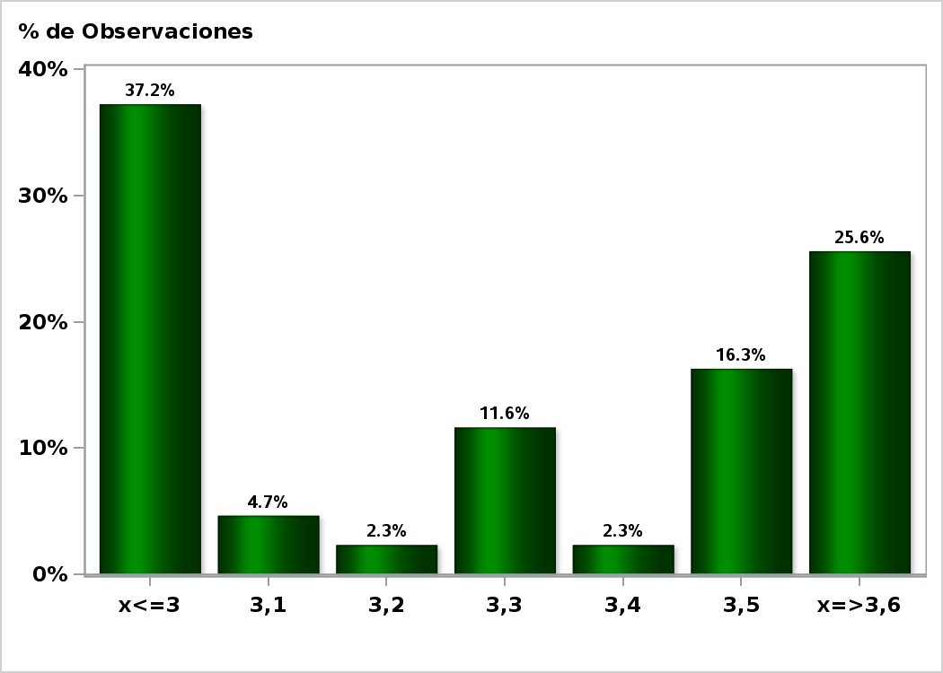

Click to view summary table

Graph36
Monthly Survey On Expectations January 2021
HFC including NPO year 2021 (12-month change)
Answers: 44 Median: 6%

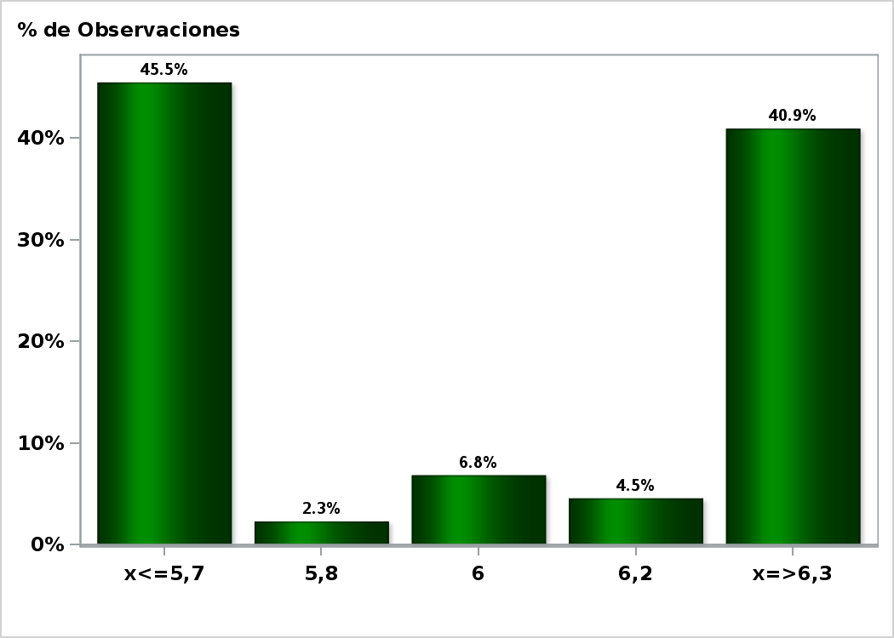

Click to view summary table

Graph38
Monthly Survey On Expectations January 2021
GFCF year 2021 (12-month change)
Answers: 47 Median: 7%

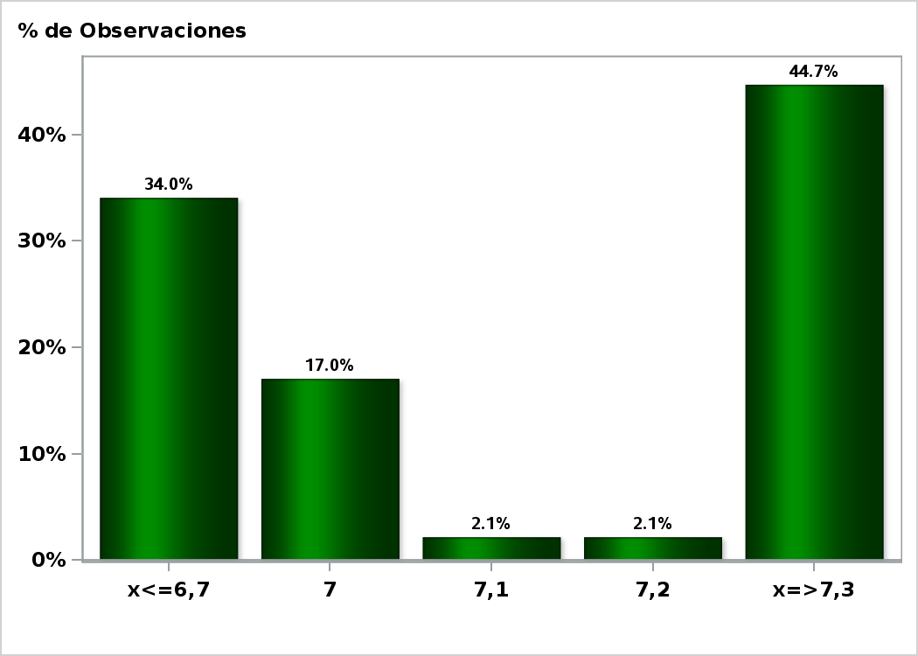

Click to view summary table

