Graph1
Monthly Survey On Expectations September 2019
Inflation current month (monthly change)
Answers: 47 Median: 0,3%

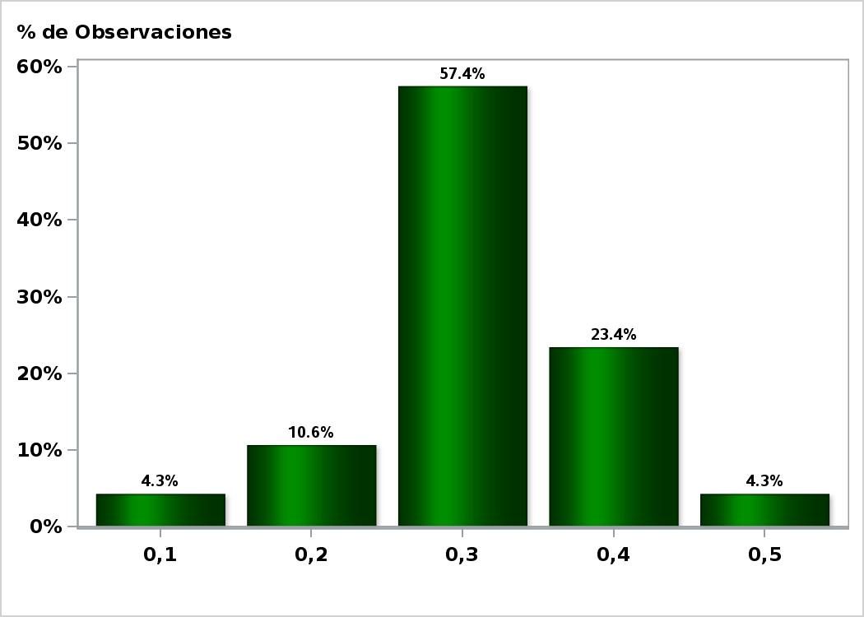

Click to view summary table

Graph2
Monthly Survey On Expectations September 2019
Inflation next month (monthly change)
Answers: 47 Median: 0,4%

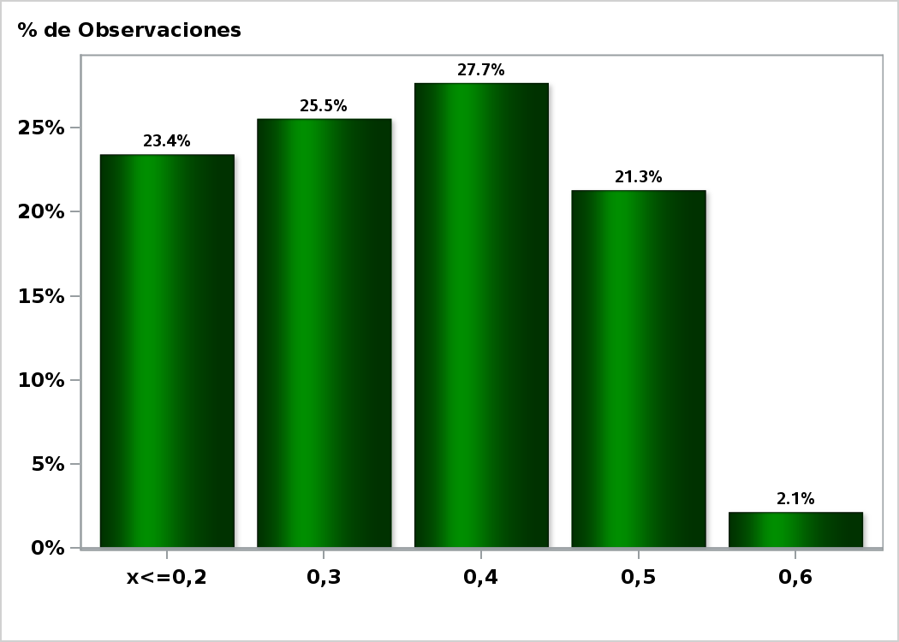

Click to view summary table

Graph3
Monthly Survey On Expectations September 2019
Inflation in eleven months (12-month change)
Answers: 47 Median: 2,8%

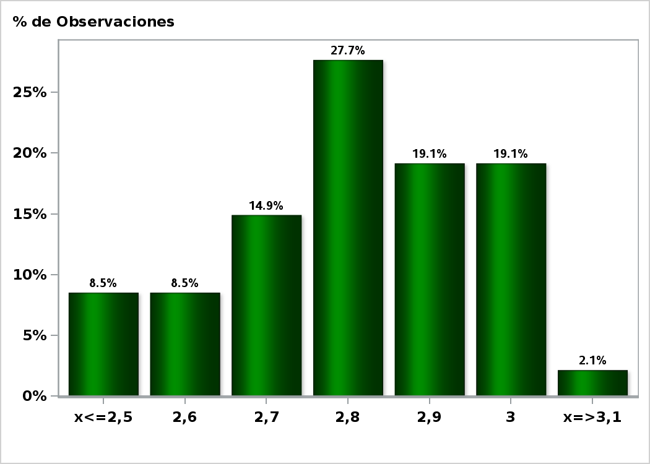

Click to view summary table

Graph4
Monthly Survey On Expectations September 2019
Inflation in twenty three months (12-month change)
Answers: 46 Median: 3%

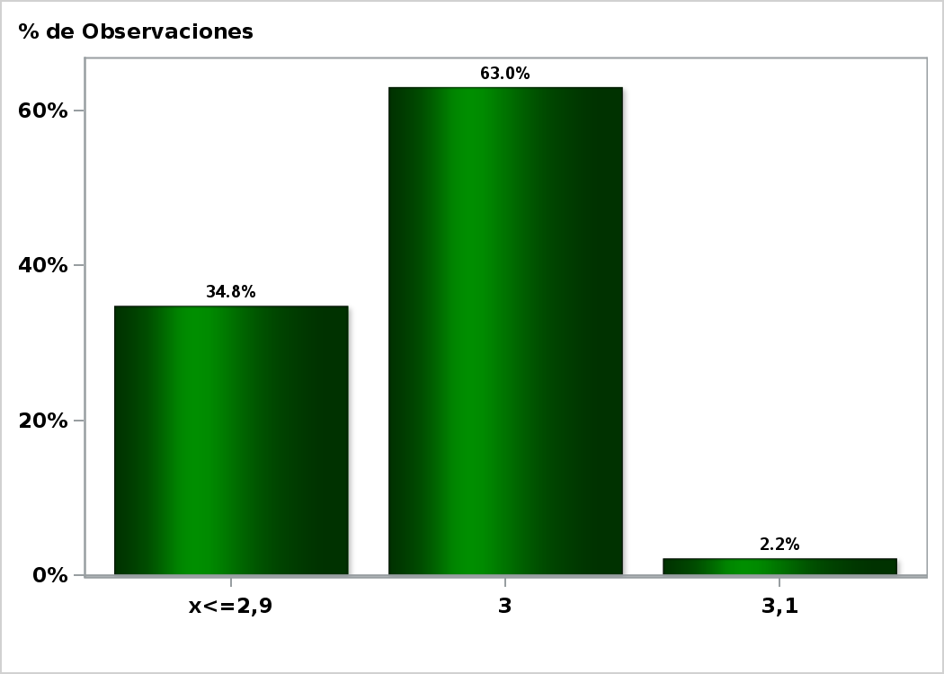

Click to view summary table

Graph5
Monthly Survey On Expectations September 2019
Inflation december 2019 ( 12-month change )
Answers: 47 Median: 2,8%

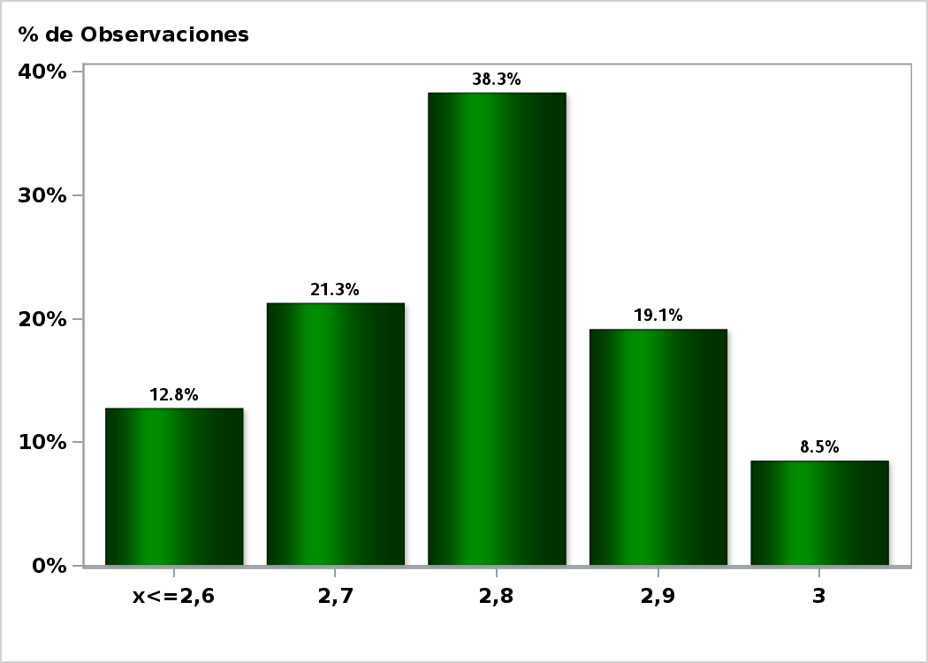

Click to view summary table

Graph6
Monthly Survey On Expectations September 2019
Inflation december 2020 ( 12-month change )
Answers: 47 Median: 2,9%

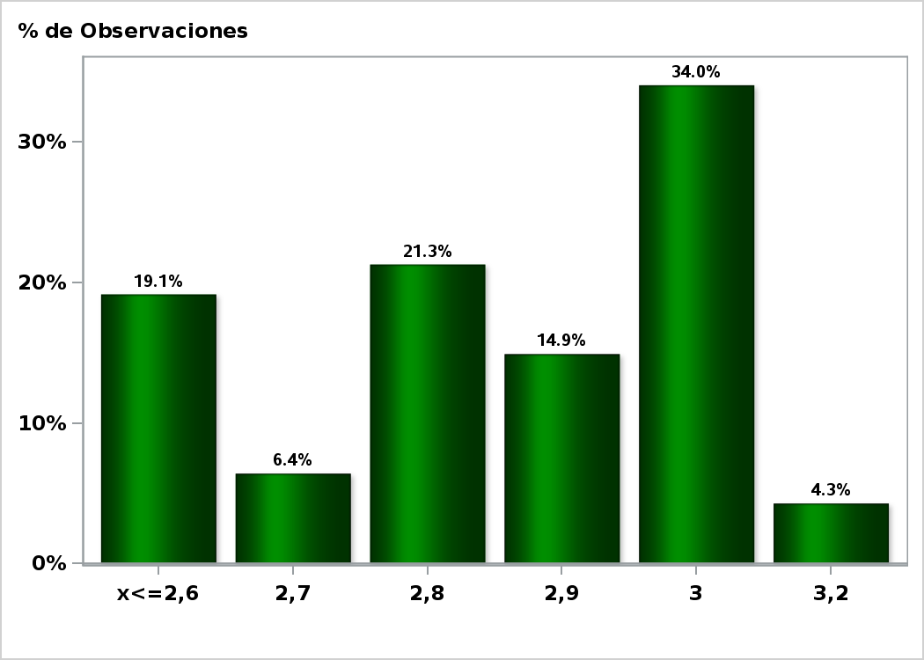

Click to view summary table

Graph7
Monthly Survey On Expectations September 2019
Monetary Policy rate target following meeting
Answers: 46 Median: 2%

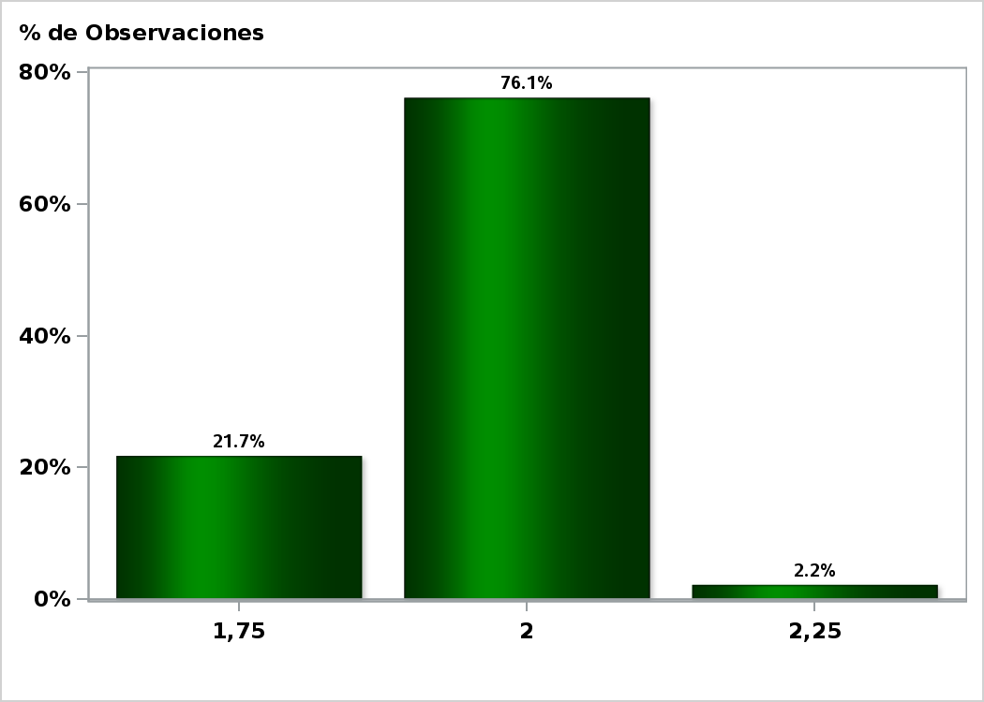

Click to view summary table

Graph8
Monthly Survey On Expectations September 2019
Monetary Policy rate target second following meeting
Answers: 46 Median: 1,75%

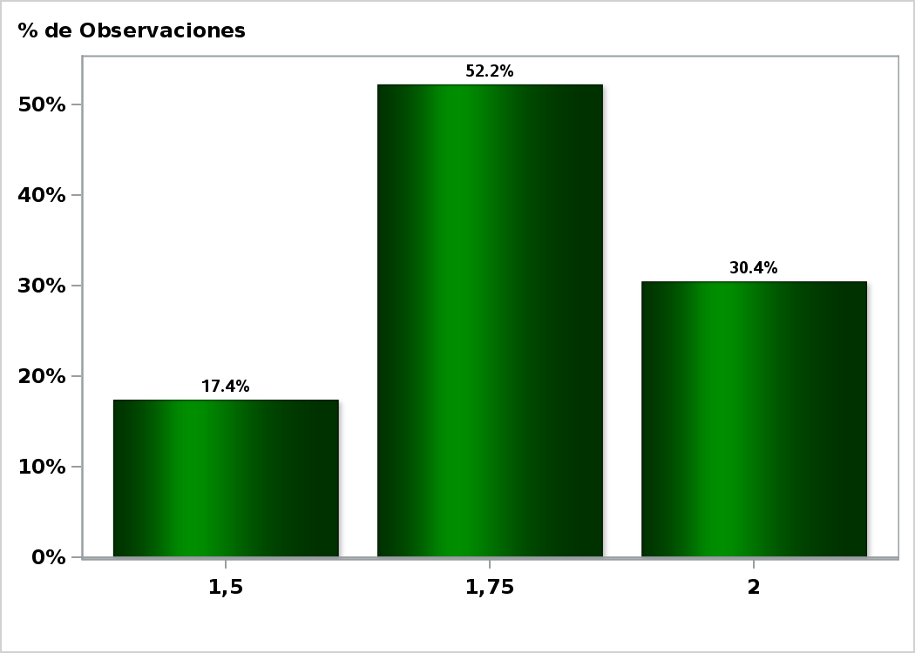

Click to view summary table

Graph9
Monthly Survey On Expectations September 2019
Monetary Policy rate target In five months
Answers: 47 Median: 1,75%

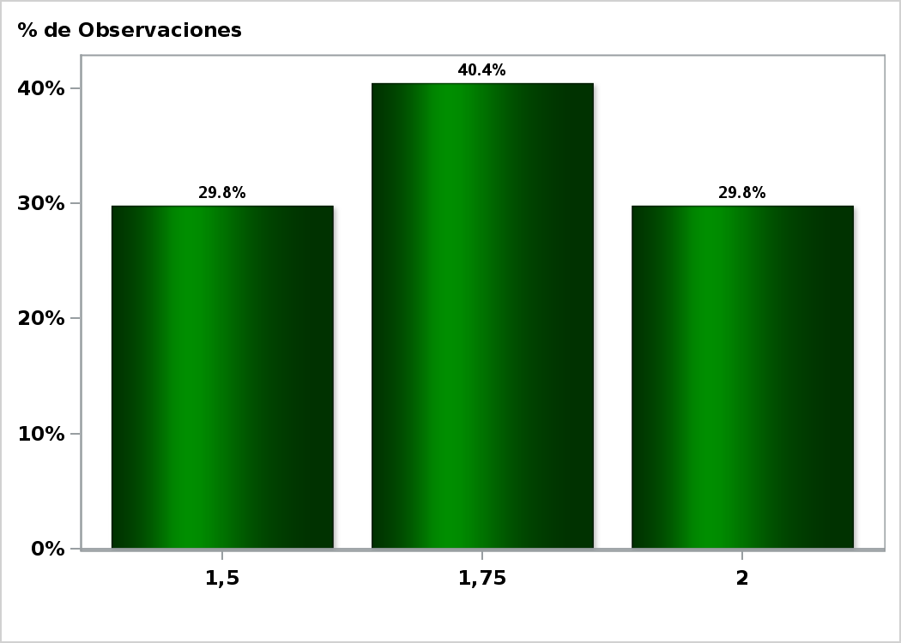

Click to view summary table

Graph11
Monthly Survey On Expectations September 2019
Monetary Policy rate target in eleven months
Answers: 47 Median: 1,75%

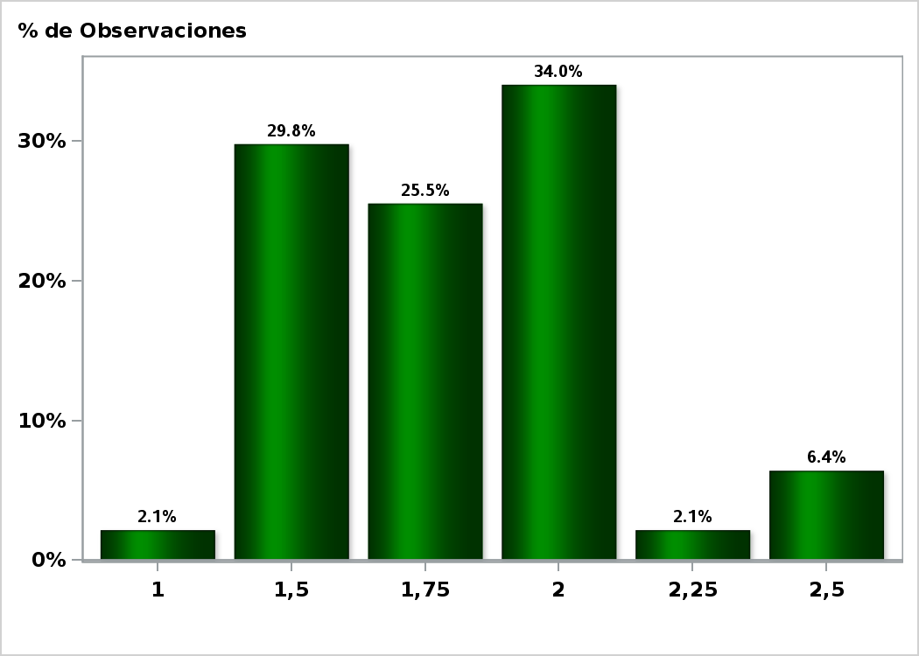

Click to view summary table

Graph12
Monthly Survey On Expectations September 2019
Monetary Policy rate target in seventeen months
Answers: 47 Median: 2%

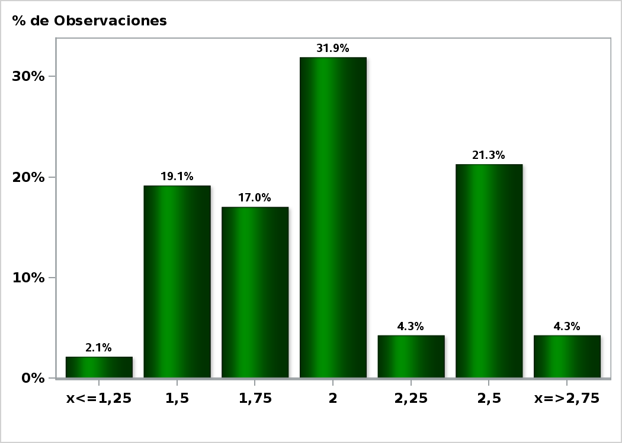

Click to view summary table

Graph13
Monthly Survey On Expectations September 2019
Monetary Policy rate target in twenty three months
Answers: 46 Median: 2,25%

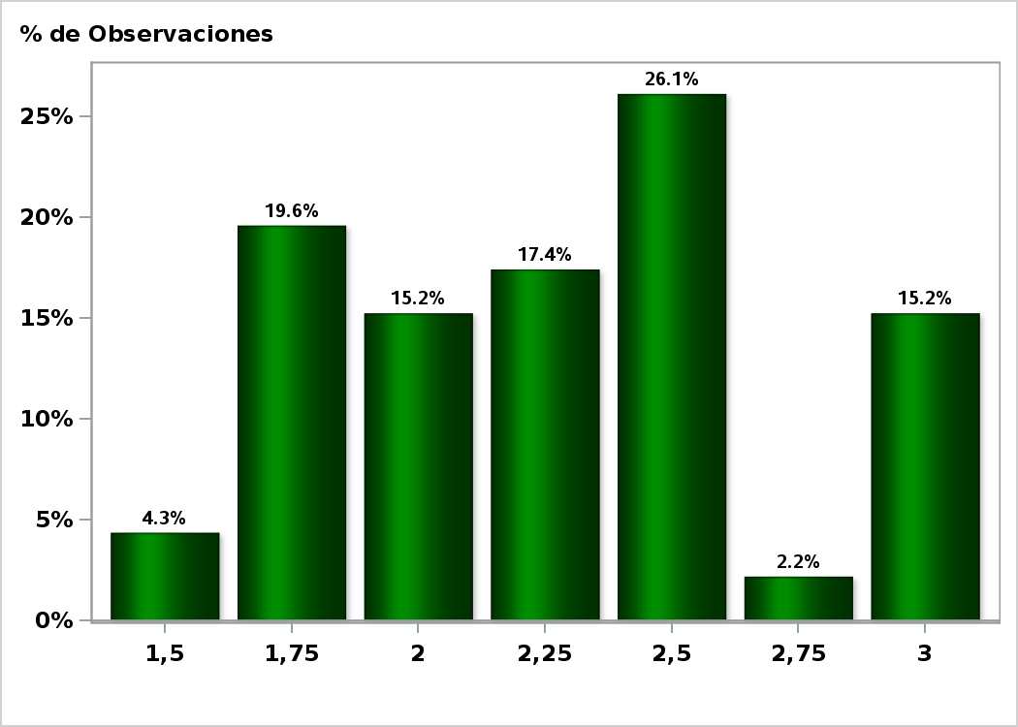

Click to view summary table

Graph14
Monthly Survey On Expectations September 2019
5-Year BCU In two months
Answers: 44 Median: -0,3%

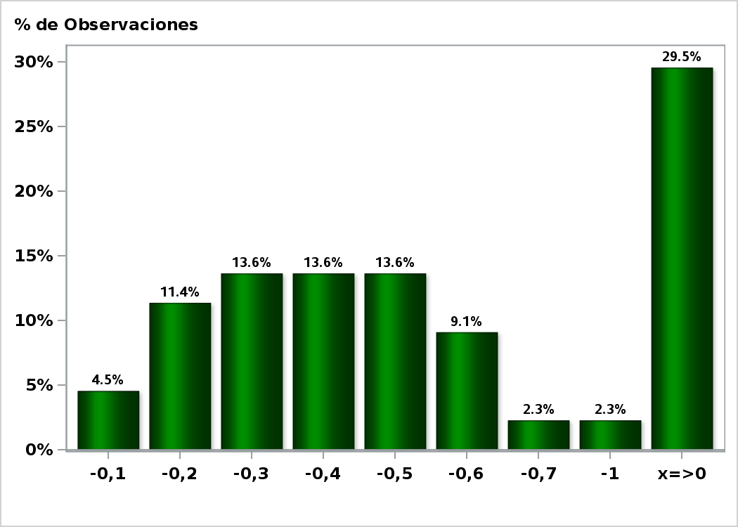

Click to view summary table

Graph15
Monthly Survey On Expectations September 2019
5-Year BCU in eleven months
Answers: 43 Median: 0,2%

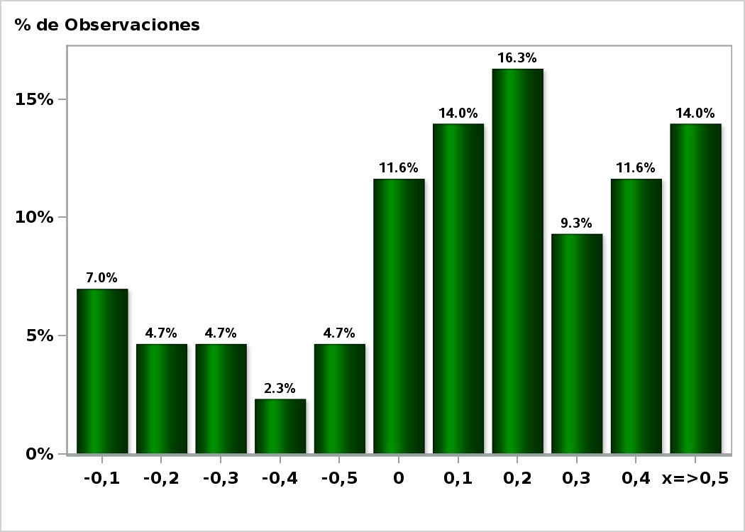

Click to view summary table

Graph16
Monthly Survey On Expectations September 2019
5-Year BCU in twenty three months forward
Answers: 42 Median: 0,5%

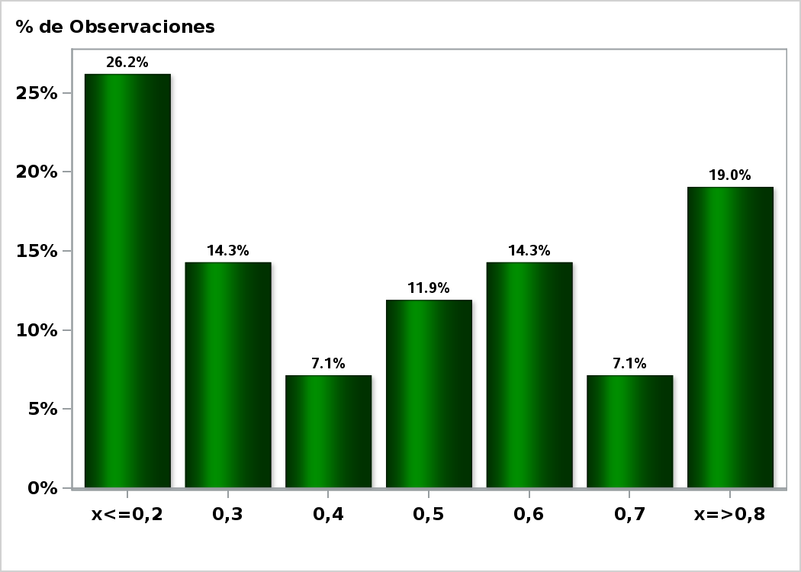

Click to view summary table

Graph17
Monthly Survey On Expectations September 2019
5-Year BCP in two months
Answers: 44 Median: 2,4%

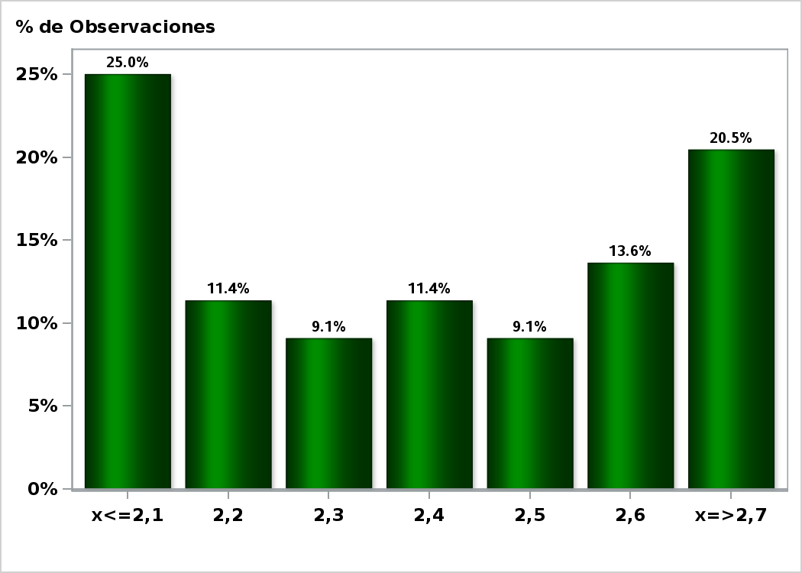

Click to view summary table

Graph18
Monthly Survey On Expectations September 2019
5-Year BCP in eleven months
Answers: 43 Median: 2,9%

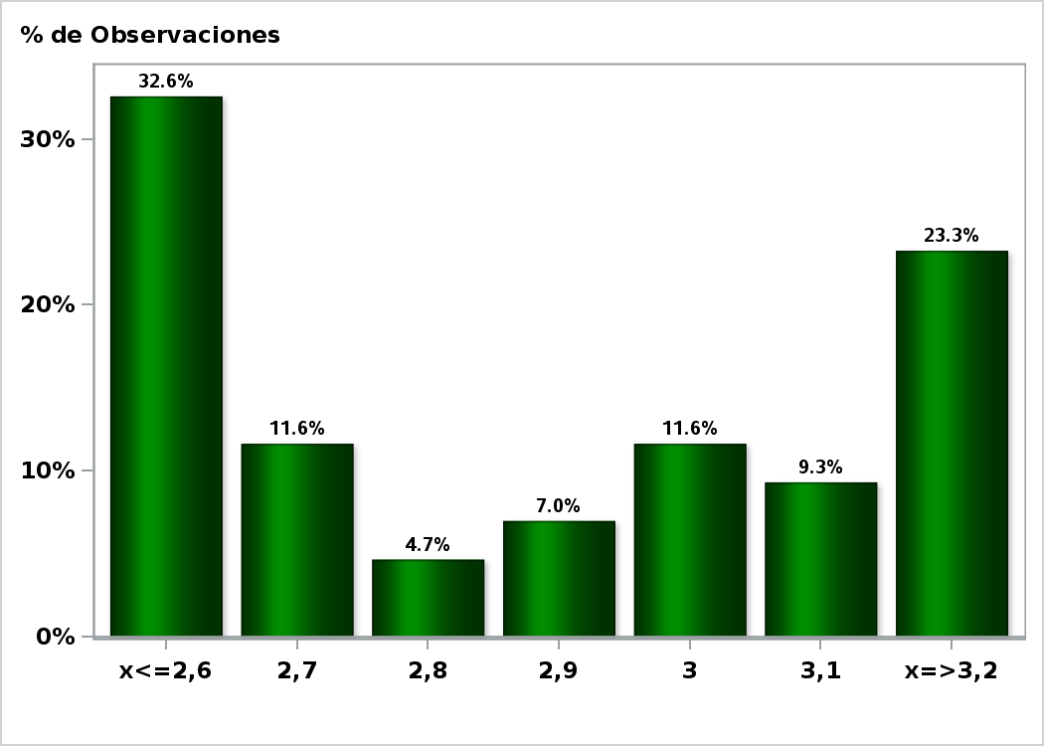

Click to view summary table

Graph19
Monthly Survey On Expectations September 2019
5-Year BCP in twenty three months forward
Answers: 42 Median: 3,2%

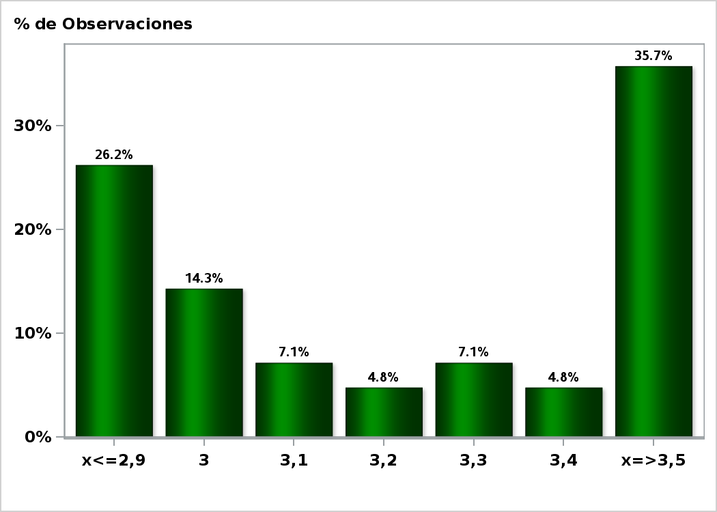

Click to view summary table

Graph20
Monthly Survey On Expectations September 2019
Exchange Rate in two months (CH $ per US$)
Answers: 47 Median: $710

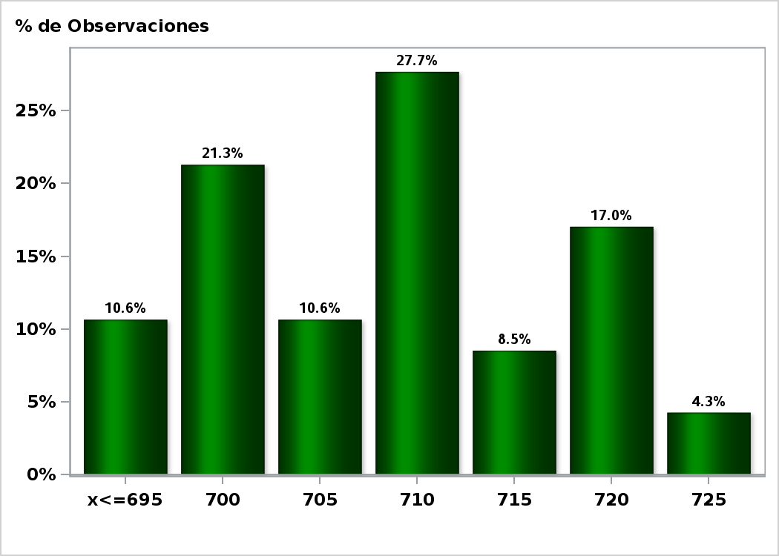

Click to view summary table

Graph21
Monthly Survey On Expectations September 2019
Exchange Rate in eleven months (CH $ per US$)
Answers: 47 Median: $690

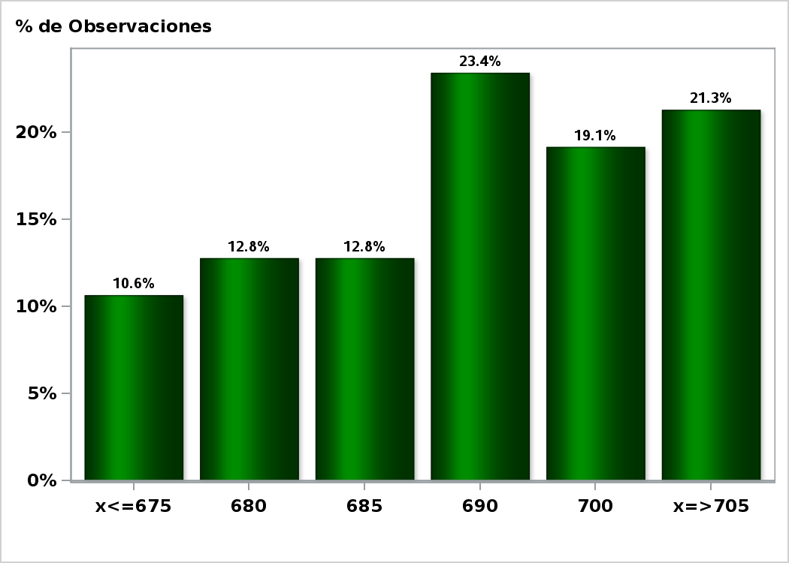

Click to view summary table

Graph22
Monthly Survey On Expectations September 2019
Exchange Rate in twenty three months forward (CH $ per US$)
Answers: 46 Median: $680

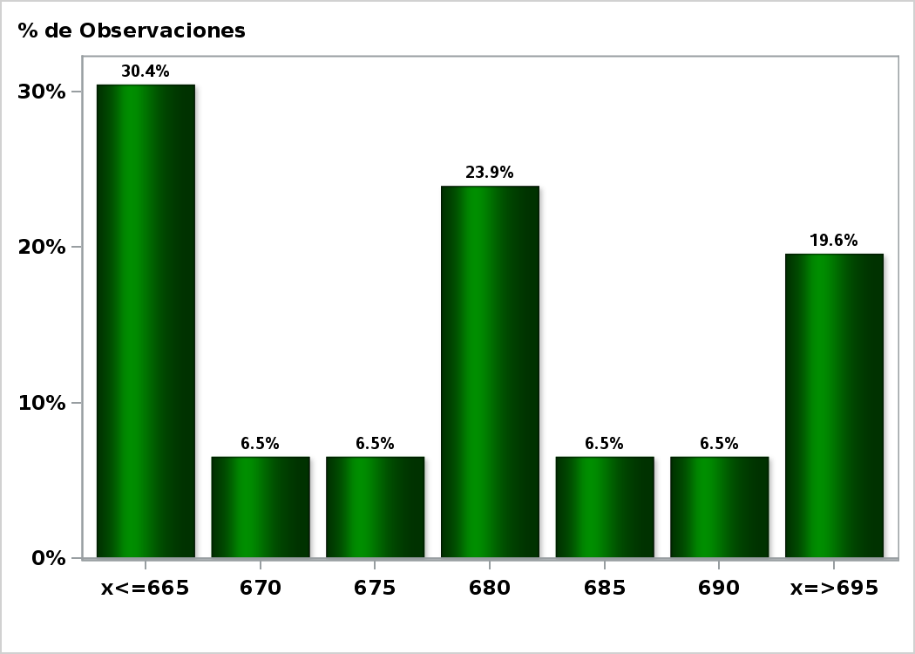

Click to view summary table

Graph23
Monthly Survey On Expectations September 2019
IMACEC (Monthly Activity Index) one month ago
Answers: 47 Median: 2,9%

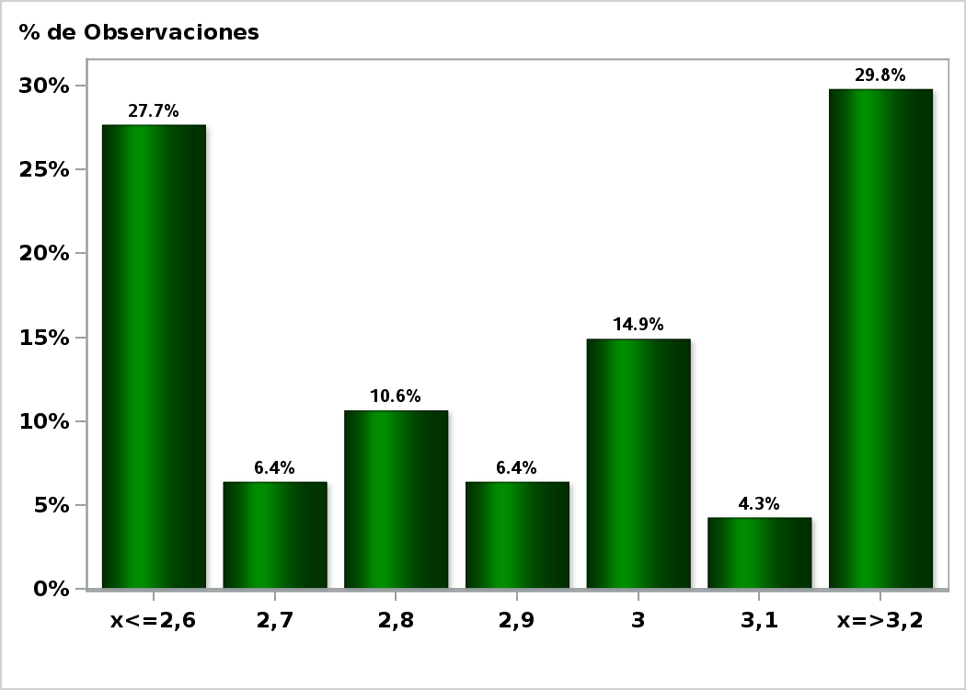

Click to view summary table

Graph24
Monthly Survey On Expectations September 2019
IMACEC No Mining (Monthly Activity Index) one month ago
Answers: 41 Median: 2,9%

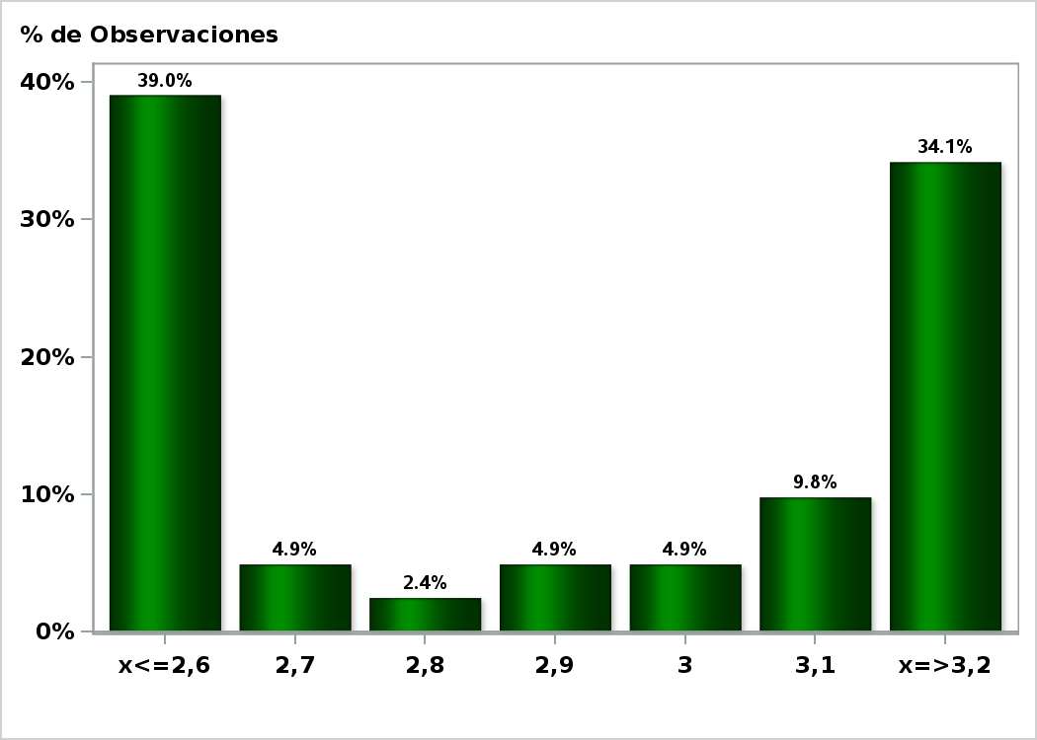

Click to view summary table

Graph25
Monthly Survey On Expectations September 2019
GDP within calendar quarter of the survey
Answers: 46 Median: 3,2%

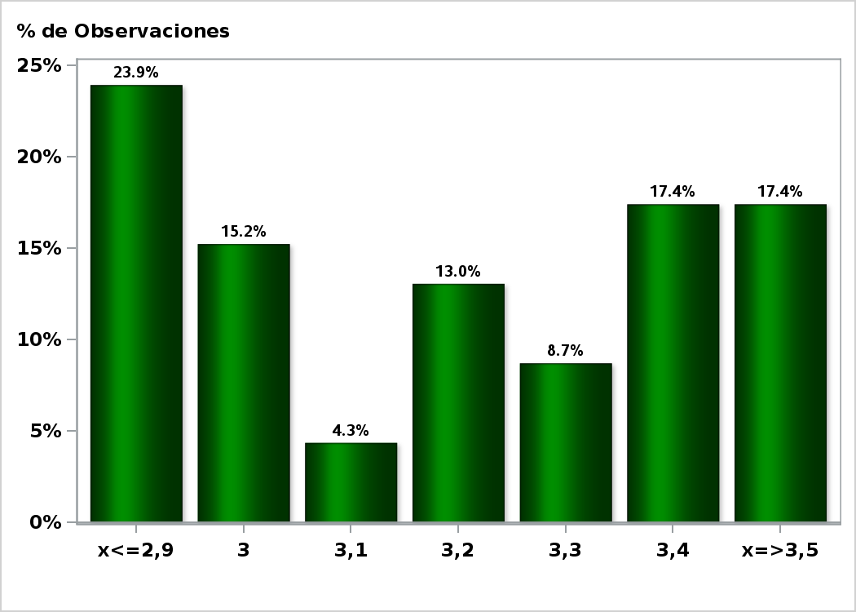

Click to view summary table

Graph26
Monthly Survey On Expectations September 2019
GDP year 2019 (12-month change)
Answers: 47 Median: 2,5%

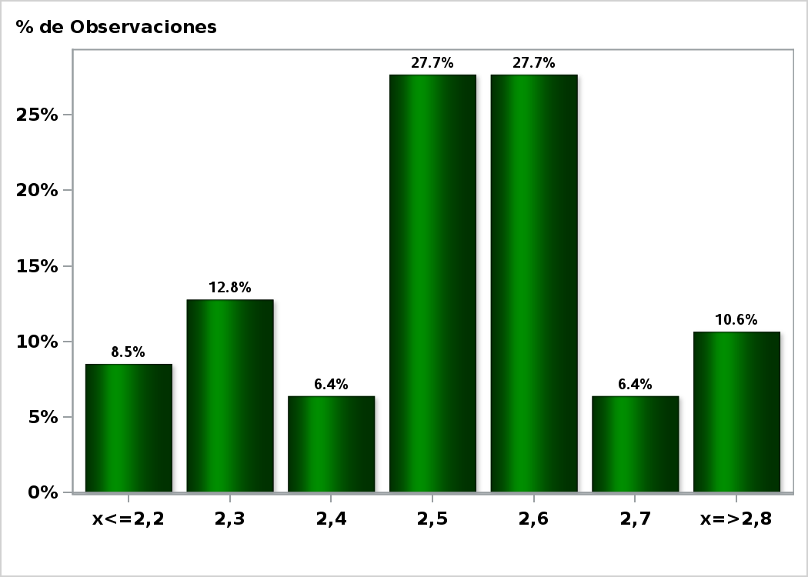

Click to view summary table

Graph27
Monthly Survey On Expectations September 2019
GDP year 2020 (12-month change)
Answers: 47 Median: 3,1%

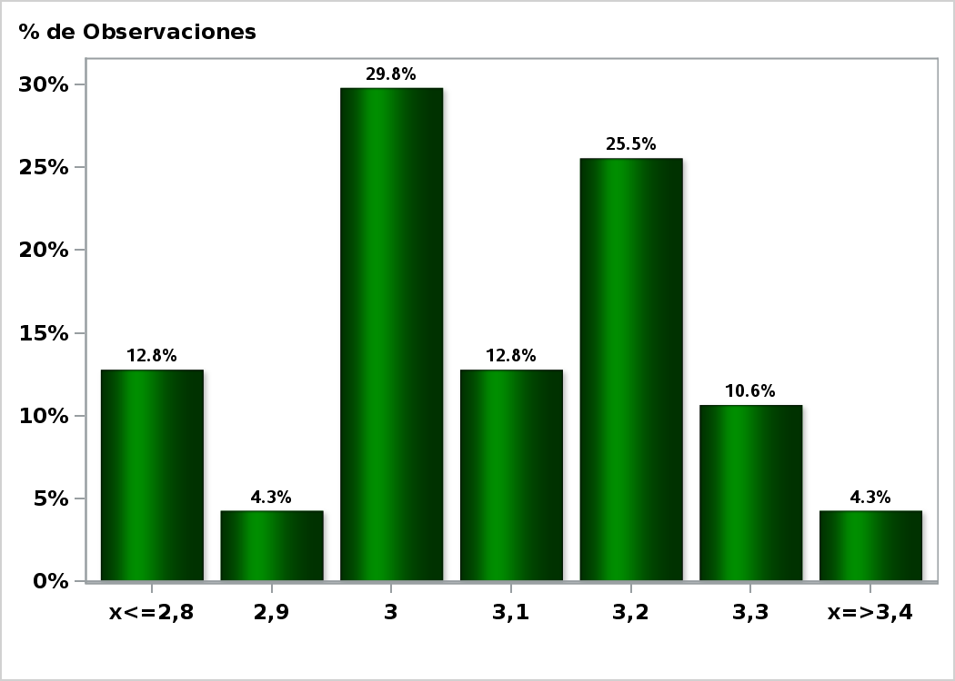

Click to view summary table

Graph28
Monthly Survey On Expectations September 2019
GDP year 2021 (12-month change)
Answers: 44 Median: 3,3%

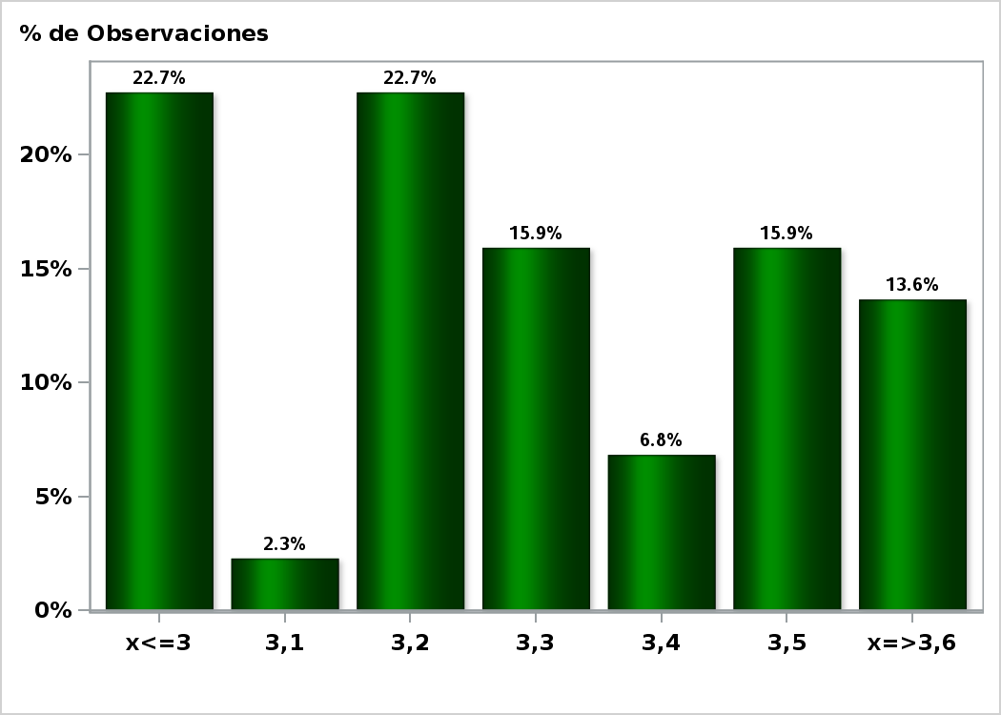

Click to view summary table

Graph29
Monthly Survey On Expectations September 2019
GDP No Mining within calendar quarter of the survey
Answers: 41 Median: 3,2%

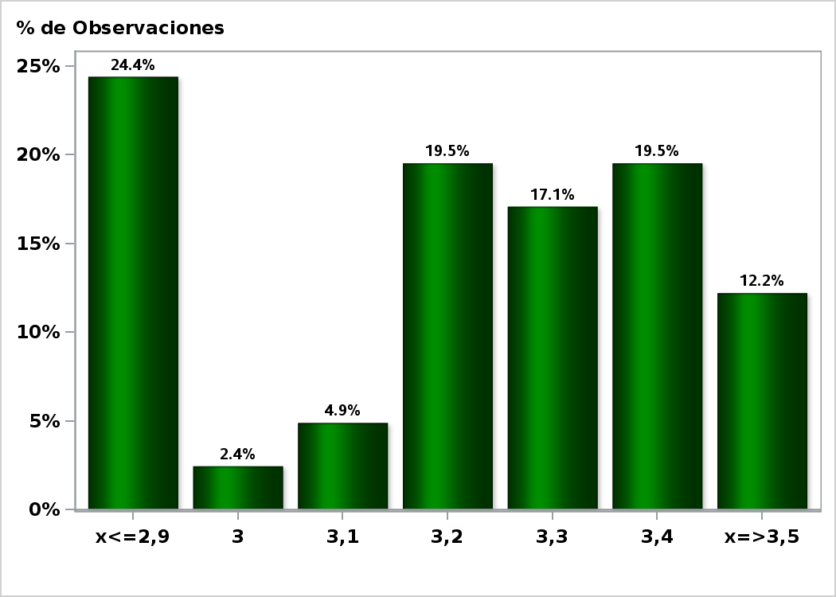

Click to view summary table

Graph30
Monthly Survey On Expectations September 2019
GDP No Mining year 2019 (12-month change)
Answers: 41 Median: 2,7%

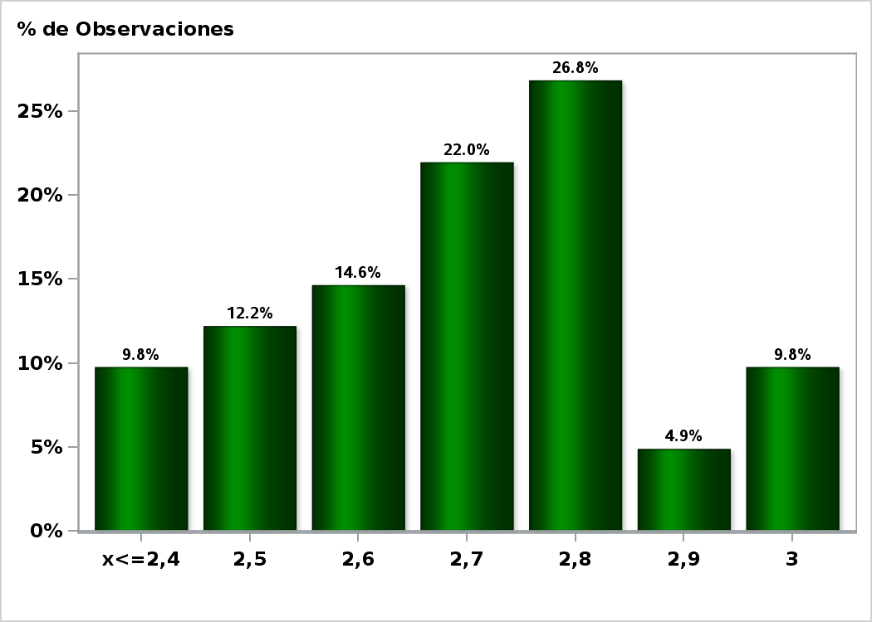

Click to view summary table

Graph31
Monthly Survey On Expectations September 2019
GDP No Mining year 2020 (12-month change)
Answers: 40 Median: 3,2%

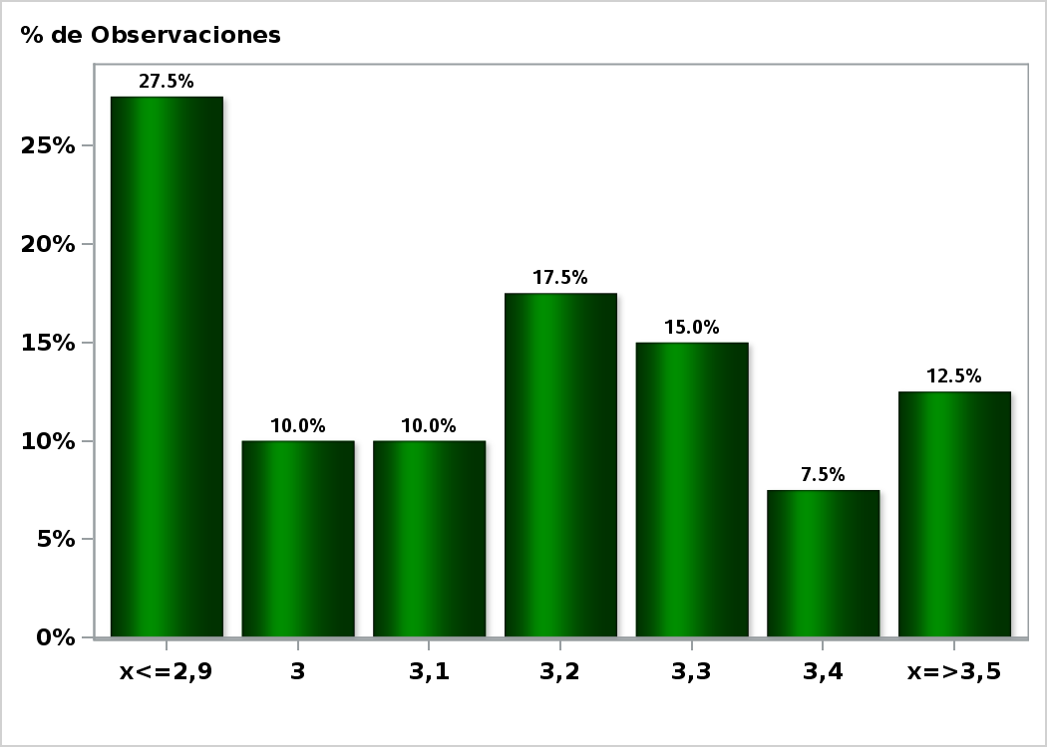

Click to view summary table

Graph32
Monthly Survey On Expectations September 2019
GDP No Mining year 2021 (12-month change)
Answers: 37 Median: 3,3%

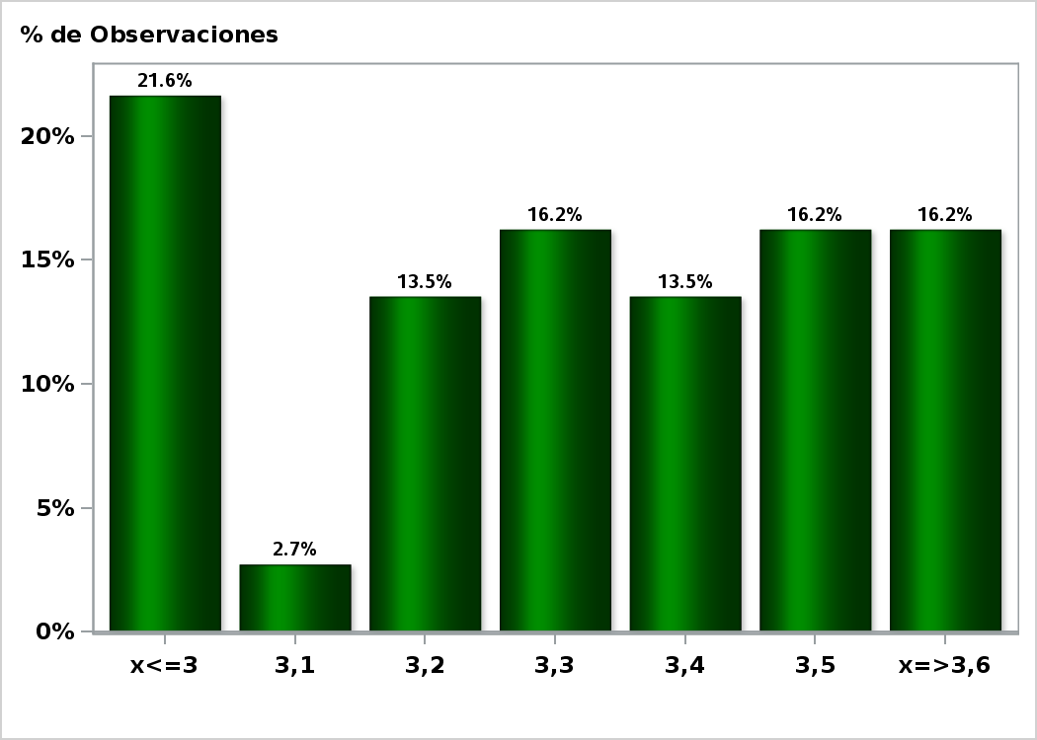

Click to view summary table

